Start

FastTrack for Azure
The Migration Execution Guide

Developed by a team of FastTrack for Azure Program Managers and Engineers working with the Microsoft SMC team, the Azure Advanced Cloud Engineering team and the Customer Success Unit.

Objectives
• Provide prescriptive guidance for the structure and running of a successful migration project. The guidance include digital estate discovery, defining the migration scope with common business drivers, selection and implementation of migration tooling, project management, risk management and many other related templates.
• Provide consistent, well-considered migration execution guidance to the business, project management and technical teams.
• Reduce the time required on Azure Migrate readiness by taking the complexity out of the different architectures, methodologies and prerequisite work.
• Pre-empt support incidents, service outages and project delays by detailing a clear phase-by-phase migration journey with FastTrack for Azure best practices based on field experience, incident root cause analysis, the highlighting of common risks, and additional risk mitigation through request for change, and other templates with attributes that specifically address common mistakes and oversights during migrations.

Version | Description | Content
0.1 | Initial draft | Azure Migrate|Project Plan|Risk Register|Resource Management|Server Migration
0.2 | Limited pilot | …
0.3 | Various updates | …
0.4 | SQL migration to SQL on VM, MI, AzDB | Workshop Questionnaire | SQL checklist items and Tooling visualization
0.5 | Preview release | …
0.6 | Preview release update | Project plan notes added | Promotion model added to runbook | Miscellaneous updates

 | Review the available Microsoft programs and funding
Work through the below steps, or navigate directly to a topic of interest.

Step | Item | Description
1 | Review the migration phases to get an understanding of the end-to-end procedure | Migration Lifecycle
2 | Review workshop questions | Sample questions to use during workshops with the business and technical teams in order to populate the migration templates and make migration decisions.
3 | Review the DACI matrix to understand the roles and responsibilities within a typical migration project | Resource Management
4 | Assign resources to roles and responsibilities using the Team worksheet | Resource Management
5 | Familiarize or refresh knowledge using recommended training resources and reference material | Training
6 | Reference the 'Tooling|...' worksheets for a visual summary of the different discovery, assessment and migration strategies. | Tooling
7 | Use the Checklist to ensure that key business, project management and technical recommendations are followed, and common issues are avoided | Best practice, field experience and incident root cause driven guidance.
8 | Consider templates for your project:
 | Project Plan Template | Project Management
 | Digital Estate Discovery Template | The purpose of the digital estate discovery is to present an inventory of applications and services to the business in order to determine the scope and nature of a migration project. Important dates should be captured and mapped to milestones in the project plan.
 | Workload Template | The purpose of the workload resource is to document and map the current technical attributes of the individual components of a workload to the future attributes of the migrated state. The information in this resource is used as input when configuring replication and migration options. It is also an important input to pre-and-post migration tasks that form the migration-day runbook.
 | Wave Template | The purpose of a wave plan is to document the workloads that will be grouped together in a single migration sprint. Dependent services are typically included in the same Migration Wave. In the portal you can select up to 10 VMs at once for migration. To migrate more machines, add them to groups in batches of 10.
 | Runbook Template | The purpose of a migration-day runbook is to provide migration engineers with a proven list of tasks to perform during test and production migration windows. The migration runbook in this guide is an example of what should be created for every machine, in all environments, for each workload.
 | Change Template | The purpose of the request for change template is to provide migration specific details for consideration by the business, service management and migration teams for inclusion in their change management process. It is also an additional checkpoint to help ensure that important migration decisions are made and relevant tasks carried out. It is recommended to seek approval early, clarify expectations and roles of approvers in advance and to establish a Cloud Change Authority.
 | Risk Register Template | The risk register is an important part of every migration project. The purpose of the example in this guide is to detail common risks that need to be evaluated along with any available mitigation, along with plans to migrate services that are subject to these risks.

Programs and Funding
Microsoft Programs and Funding

NOTE: Microsoft programs and funding are subject to change. Please discuss with your Microsoft representative if you would like to participate in any of the programs.

Program | Description
FastTrack for Azure | FastTrack for Azure is a technical enablement program for organizations with cloud projects that enables the rapid, effective design, and deployment of Azure solutions in the cloud. It includes tailored guidance from Azure engineers that leverages proven practices and architectural guides.
Solution Assessment Program | To ensure you use data driven insights to plan your digital transformation.
Azure Migration and Modernization Program | End-to-end migration assistance with the migration of workloads like, SQL, SAP, AVD and application modernisation.
Azure Migration and Modernization Program | Azure for Partners | Microsoft Partners to assist with your program of work.
Azure Migration and Modernization Program (partner-led) | Partner investments and incentives can help drive the technical and workplace innovations you need to advance your business and your customers’ digital transformation.
Azure Analytics and AI Accelerate Program | The Azure Analytics and AI Accelerate Program (AAAP) is a proven approach to help partners accelerate customer demand and consumption of Analytics & AI Services. The program decreases the time to solution and increases your ability to win!

1. Phases
Migration Framework
This resource includes guidance for all phases of the typical migration approach in the graphic below. The design of a new, or validation of an existing landing zone for migrated workloads is recommended along with a cloud operating model and operations plan to manage migrated workloads. Neither of these are within the scope of this resource. FastTrack for Azure offer separate resources to assist with these areas.

LANDING ZONE
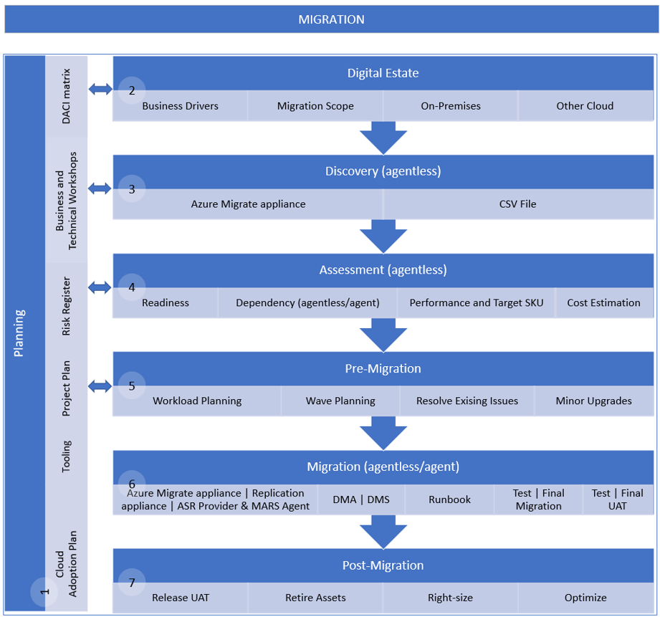
CLOUD OPERATIONS

FTA Landing Zone Design Review
FTA Cloud Roles and Operations Management

2. Questions
Workshop Questions
The questions in this worksheet will help to populate the migration execution guide templates. A workshop (or series of workshops) with all relevant stakeholders is recommended to gather the required information.

Id | Question | Description | Template | Workshop | Facilitator | Attendee Roles
Q001 | Who is the business and technical owner(s) for each workload? | The business unit, business owner and technical owner that is responsible for each workload. | Digital Estate | Business | Migration Architect | Project Manager, Migration Engineer, Project Sponsor, Workload business owner, Workload Technical Owner
Q002 | For each workload, are they revenue impacting for the business? |  | Digital Estate | Business | Migration Architect | Project Manager, Migration Engineer, Project Sponsor, Workload business owner, Workload Technical Owner
Q003 | What are the number of users for each workload? |  | Digital Estate | Business | Migration Architect | Project Manager, Migration Engineer, Project Sponsor, Workload business owner, Workload Technical Owner
Q004 | What is the cloud rationalization decision for each workload? | Will the app server be migrated, or will the app be re-installed on a new host? | Digital Estate | Business | Migration Architect | Project Manager, Migration Engineer, Project Sponsor, Workload business owner, Workload Technical Owner
Q005 | Are there any compliance requirements for the workloads? | For example, legislated data retention for xx years. SOC-2, ISO 27001, etc. | Digital Estate | Business | Migration Architect | Project Manager, Migration Engineer, Project Sponsor, Workload business owner, Workload Technical Owner
Q006 | Where is each workload located? | Data centre and location. | Digital Estate | Business | Migration Architect | Project Manager, Migration Engineer, Project Sponsor, Workload business owner, Workload Technical Owner
Q007 | Do the workloads have geographic redundancy? |  | Digital Estate | Business | Migration Architect | Project Manager, Migration Engineer, Project Sponsor, Workload business owner, Workload Technical Owner
Q008 | Are the workloads production or non-production systems? | Document the workload environment. | Digital Estate | Business | Migration Architect | Project Manager, Migration Engineer, Project Sponsor, Workload business owner, Workload Technical Owner
Q009 | What is the app type for each workload? | Is it a commercial-off-the-shelf, or custom app? | Digital Estate | Business | Migration Architect | Project Manager, Migration Engineer, Project Sponsor, Workload business owner, Workload Technical Owner
Q010 | What is the business criticality that is assigned to each workload? | Mission critical, high, medium, low, etc. | Digital Estate | Business | Migration Architect | Project Manager, Migration Engineer, Project Sponsor, Workload business owner, Workload Technical Owner
Q011 | What is the expected workload lifecycle (where known)? Where is the workload currently within this lifecycle? Are there plans to replace or decommission the workload? | Not defined, 5 years, etc. | Digital Estate | Business | Migration Architect | Project Manager, Migration Engineer, Project Sponsor, Workload business owner, Workload Technical Owner
Q012 | Are there any compelling business drivers for the migration of the workloads? | Data centre exit, contract expiry, hardware or software end-of-life, security concerns, competitive advantage, etc? | Digital Estate | Business | Migration Architect | Project Manager, Migration Engineer, Project Sponsor, Workload business owner, Workload Technical Owner
Q013 | What are the significant milestone dates to meet the business drivers? |  | Digital Estate | Business | Migration Architect | Project Manager, Migration Engineer, Project Sponsor, Workload business owner, Workload Technical Owner
Q014 | Are you able to assign a migration priority to the workloads in your digital estate? |  | Digital Estate | Business | Migration Architect | Project Manager, Migration Engineer, Project Sponsor, Workload business owner, Workload Technical Owner
Q015 | Do you have a migration tooling preference? | Azure Migrate, Azure Site Recovery, Backup and Restore, Movere, etc. | Digital Estate | Business | Migration Architect | Project Manager, Migration Engineer, Project Sponsor, Workload business owner, Workload Technical Owner
Q016 | What is the preferred promotion (to production) model for each workload? | What level of testing is required for each workload before traffic is cut over and it is considered to be production? Common models include single-step, staged or flight (combines single-step and staged)? | Digital Estate | Business | Migration Architect | Project Manager, Migration Engineer, Project Sponsor, Workload business owner, Workload Technical Owner
Q017 | Do you have on-premises, estimated cloud and migration cost details for the workloads? | This information is sometimes documented in the digital estate planning phase to provide business justification and additional criteria for the prioritization of workload migrations. | Digital Estate | Business | Migration Architect | Project Manager, Migration Engineer, Project Sponsor, Workload business owner, Workload Technical Owner
Q018 | What is the existing SLA for the workloads? |  | Digital Estate | Business | Migration Architect | Project Manager, Migration Engineer, Project Sponsor, Workload business owner, Workload Technical Owner
Q019 | Will the migration be into an existing landing zone? | Consider using the FTA Landing Zone design/review checklist to validate the target environment. | Digital Estate | Business | Migration Architect | Project Manager, Migration Engineer, Project Sponsor, Workload business owner, Workload Technical Owner
Q020 | What roles will be involved with this migration project? Will there be a project manager, migration architect, UAT resources, etc? | Refer to the roles and teams templates for suggested roles and responsibilities. | Roles | Business | Migration Architect | Project Manager, Migration Engineer, Project Sponsor, Workload business owner, Workload Technical Owner
Q021 | Who is the testing team for the app, are they available, how do you book them? |  | Wave | Business | Migration Architect | Project Manager, Migration Engineer, Project Sponsor, Workload business owner, Workload Technical Owner
Q022 | What are the support details? Is support for the workloads internal, vendor or both? | Internal and/or external support details for each workload. | Workload | Business | Migration Architect | Project Manager, Migration Engineer, Project Sponsor, Workload business owner, Workload Technical Owner
Q023 | Are there any agreed outage windows for the workloads? |  | Workload | Business | Migration Architect | Project Manager, Migration Engineer, Project Sponsor, Workload business owner, Workload Technical Owner
Q024 | What is the data classification that is associated with the workloads? | Refer to the data sheet for data classification examples. | Workload | Business | Migration Architect | Project Manager, Migration Engineer, Project Sponsor, Workload business owner, Workload Technical Owner
Q025 | Is there a requirement for the capability to restore historic backups of the system prior to migration? |  | Workload | Business | Migration Architect | Project Manager, Migration Engineer, Project Sponsor, Workload business owner, Workload Technical Owner
Q026 | What is the current and future plans for patching? |  | Workload | Business | Migration Architect | Project Manager, Migration Engineer, Project Sponsor, Workload business owner, Workload Technical Owner
Q027 | What is the current and future plans for Security Posture Management? |  | Workload | Business | Migration Architect | Project Manager, Migration Engineer, Project Sponsor, Workload business owner, Workload Technical Owner
Q028 | What is the current and future plans for Security Information and Event Management? |  | Workload | Business | Migration Architect | Project Manager, Migration Engineer, Project Sponsor, Workload business owner, Workload Technical Owner
Q029 | What are the operating hours for the workloads by environment and host? | If a VM in the workload is not required 24x7, should shutdown be configured for periods when it is not required? | Workload | Business | Migration Architect | Project Manager, Migration Engineer, Project Sponsor, Workload business owner, Workload Technical Owner
Q030 | What is the required SLA for the workloads when migrated to the cloud? | Ensure that a suitable availability option and disk type is selected to support the required SLA. | Workload | Business | Migration Architect | Project Manager, Migration Engineer, Project Sponsor, Workload business owner, Workload Technical Owner
Q031 | What level of availability is required when the workloads are migrated to the cloud? |  | Workload | Business | Migration Architect | Project Manager, Migration Engineer, Project Sponsor, Workload business owner, Workload Technical Owner
Q032 | Should hybrid benefits be applied to Windows Server machines that are being migrated? Who in the business can be contacted for a decision for servers in each workload? | If you have Windows Server machines that are covered with active Software Assurance or Windows Server subscriptions, and you want to apply the benefit to the machines you're migrating. | Workload | Business | Migration Architect | Project Manager, Migration Engineer, Project Sponsor, Workload business owner, Workload Technical Owner
Q033 | Will Azure Reserved Virtual Machine Instances be used to reduce costs? | Also consider Azure Savings Plans https://azure.microsoft.com/en-us/pricing/offers/savings-plan-compute/. | Workload | Business | Migration Architect | Project Manager, Migration Engineer, Project Sponsor, Workload business owner, Workload Technical Owner, Licensing Specialist
Q034 | Has a Total Cost of Ownership analysis been completed to estimate cost savings when migrating workloads to Azure? |  | Digital Estate | Business | Migration Architect | Project Manager, Migration Engineer, Workload business owner, Workload Technical Owner
Q035 | How many servers are there in each workload? |  | Digital Estate | Technical | Migration Architect | Project Manager, Migration Engineer, Workload business owner, Workload Technical Owner
Q036 | Known issues/last successful reboot? | Are there any known issues prior to migration? Does the system start up on reboot? | Workload | Technical | Migration Architect | Project Manager, Migration Engineer, Workload business owner, Workload Technical Owner
Q037 | How do users and other apps authenticate to the app? | Check for NTLM, using an IP address to point to a DC directly, unsupported protocols, etc. | Workload | Technical | Migration Architect | Project Manager, Migration Engineer, Workload business owner, Workload Technical Owner
Q038 | Is any part of the workload considered to be a shared service? | Is the shared service used by other workloads? | Workload | Technical | Migration Architect | Project Manager, Migration Engineer, Workload business owner, Workload Technical Owner
Q039 | Is the workload load balanced? |  | Workload | Technical | Migration Architect | Project Manager, Migration Engineer, Workload business owner, Workload Technical Owner
Q040 | What is the client app, how does it connect, where is it hosted and does it use DNS names? | Check for client apps that use an IP address or NETBIOS name. Investigate CNAMES that are used and if they can be changed easily | Workload | Technical | Migration Architect | Project Manager, Migration Engineer, Workload business owner, Workload Technical Owner
Q041 | For each workload, is external access required, or is the workload internal facing only? |  | Workload | Technical | Migration Architect | Project Manager, Migration Engineer, Workload business owner, Workload Technical Owner
Q042 | Are SSL certs used, what names, private/public? |  | Workload | Technical | Migration Architect | Project Manager, Migration Engineer, Workload business owner, Workload Technical Owner
Q043 | What service accounts are used by the system? | Will the service accounts work when the workload is migrated to the cloud? | Workload | Technical | Migration Architect | Project Manager, Migration Engineer, Workload business owner, Workload Technical Owner
Q044 | What currently provides time synchronization service? | Is there a time server on-premises? | Workload | Technical | Migration Architect | Project Manager, Migration Engineer, Workload business owner, Workload Technical Owner
Q045 | Are there any print service considerations for the application? |  | Workload | Technical | Migration Architect | Project Manager, Migration Engineer, Workload business owner, Workload Technical Owner
Q046 | How is the app licensed? | Dongle, MAC address, IP address, etc will need to be planned for. | Workload | Technical | Migration Architect | Project Manager, Migration Engineer, Workload business owner, Workload Technical Owner
Q047 | Are there any batch jobs or scheduled tasks for the app or on the server? How do they run, what do they run as? |  | Workload | Technical | Migration Architect | Project Manager, Migration Engineer, Workload business owner, Workload Technical Owner
Q048 | How does DNS work for the workloads both internal and external? What is the target state? |  | Workload | Technical | Migration Architect | Project Manager, Migration Engineer, Workload business owner, Workload Technical Owner
Q049 | Is an SMTP relay used by the workloads? |  | Workload | Technical | Migration Architect | Project Manager, Migration Engineer, Workload business owner, Workload Technical Owner
Q050 | What are the file services requirements? |  | Workload | Technical | Migration Architect | Project Manager, Migration Engineer, Workload business owner, Workload Technical Owner
Q051 | Are there AV exclusions that need to be applied if it moves to a new server? |  | Workload | Technical | Migration Architect | Project Manager, Migration Engineer, Workload business owner, Workload Technical Owner
Q052 | What is the current backup and restore method? |  | Workload | Technical | Migration Architect | Project Manager, Migration Engineer, Workload business owner, Workload Technical Owner
Q053 | Does the app use a database, what version, is it shared, what is the target state, who owns and maintains the DB? |  | Workload | Technical | Migration Architect | Project Manager, Migration Engineer, Workload business owner, Workload Technical Owner
Q054 | What are the database licensing requirements, will new licenses need to be purchased? |  | Workload | Technical | Migration Architect | Project Manager, Migration Engineer, Workload business owner, Workload Technical Owner
Q055 | How is DB authentication handled? |  | Workload | Technical | Migration Architect | Project Manager, Migration Engineer, Workload business owner, Workload Technical Owner
Q056 | How can access to the workloads be arranged? |  | Workload | Technical | Migration Architect | Project Manager, Migration Engineer, Workload business owner, Workload Technical Owner
Q057 | Is there an access management process that need to be followed for the retrieval of existing and storing of new keys and passwords? |  | Workload | Technical | Migration Architect | Project Manager, Migration Engineer, Workload business owner, Workload Technical Owner
Q058 | How are updates and new releases handled? |  | Workload | Technical | Migration Architect | Project Manager, Migration Engineer, Workload business owner, Workload Technical Owner
Q059 | What is the support model for the app? |  | Workload | Technical | Migration Architect | Project Manager, Migration Engineer, Workload business owner, Workload Technical Owner
Q060 | What is the current DR/BCP strategy, target state? |  | Workload | Technical | Migration Architect | Project Manager, Migration Engineer, Workload business owner, Workload Technical Owner
Q061 | Are the workloads subject to change freeze? |  | Workload | Technical | Migration Architect | Project Manager, Migration Engineer, Workload business owner, Workload Technical Owner
Q062 | Are the workloads subject to change control? |  | Workload | Technical | Migration Architect | Project Manager, Migration Engineer, Workload business owner, Workload Technical Owner
Q063 | What OS version(s) are the workloads on? |  | Workload | Technical | Migration Architect | Project Manager, Migration Engineer, Workload business owner, Workload Technical Owner
Q064 | What hardware or virtualization platform(s) are the workloads hosted on? |  | Workload | Technical | Migration Architect | Project Manager, Migration Engineer, Workload business owner, Workload Technical Owner
Q065 | What roles are there in the workload architecture? Are they multi-tier architectures? | Web, Application, database, etc roles. | Workload | Technical | Migration Architect | Project Manager, Migration Engineer, Workload business owner, Workload Technical Owner
Q066 | What is the impact of changing an IP address on your workloads? | After migration servers will typically be assigned a different IP address. How is the workload affected by an IP address change? | Workload | Technical | Migration Architect | Project Manager, Migration Engineer, Workload business owner, Workload Technical Owner

3. Roles
Roles and Responsibilities

Modify DACI as required, then CLICK HERE to assign project resources
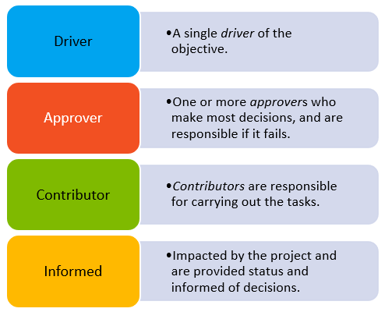
 | Role | Digital Estate Discovery | Migration Scope | Project Plan | Migration Tooling | Workload Discovery | Workload Assessment | Workload Architecture | Wave Planning | Workload Test Migration | Workload Migration UAT | Workload Migration | Workload Release UAT | Organizational Change Management | Transition to Operations | Workload Licensing
 | Migration Architect | D | D | A | D | A | A | D | A | A | A | A | A | I | D | I
 | Migration Engineer | C | I | C | C | D | D | C | D | D | C | D | C | I | C | C
 | Project Manager | I | I | D | I | I | I | I | I | I | D | I | D | I | C | I
 | Project Sponsor | A | A | A | A | I | I | A | I | I | I | A | I | A | A | A
 | User Acceptance Tester | I | I | I | I | I | I | I | I | I | C | I | C | I | C | I
 | Workload Architect | I | I | C | C | C | C | C | C | C | C | C | C | C | C | I
 | Workload Business Owner | I | I | C | I | A | A | A | A | A | A | A | A | C | C | A
 | Organizational Change Manager | I | I | C | I | I | I | I | I | I | C | I | C | D | C | I
 | Licensing Specialist | I | I | C | C | I | C | C | C | I | I | I | I | I | C | D
 | Cloud Operations Manager | C | C | C | I | I | I | I | C | I | I | I | I | C | A | I
 | Landing Zone Architect | I | I | C | C | I | I | C | C | I | I | I | I | I | I | I

4. Team
Resource Assignment

CLICK HERE to review role responsibilities
 | Name | Role | Department | Workload(s) | mobile | email | Location | Time Zone | Availability
 | Michal Rosenstein | Project Sponsor | Exec | All | … | michalrosenstein@contoso.com | New York, US | UTC-5
 | Ebere Ibeabuchi | Project Manager | PMO | All | … | ebereibeabuchi@contoso.com | New York, US | UTC-5
 | Rita Tsakiris | Migration Architect | IT | All | … | ritatsakiris@contoso.com | New York, US | UTC-5
 | Alexandra Voronova | Migration Engineer | IT | All | … | alexandravoronova@contoso.com | NSW, AU | UTC+11
 | Vasily Butusov | Workload Business Owner | Finance | Payroll system | … | vasilybutusov@contoso.com | NSW, AU | UTC+11
 | Piet Smit | User Acceptance Tester | Finance | Payroll system | … | pietsmit@contoso.com | Gauteng, RSA | UTC+2 | OOF 15-23/01/2023
 | Doan Linh | Workload Owner | HR | Intranet | … | doanlinh@contoso.com | London, UK | UTC
 | Abdul-Wahhab Maloof | User Acceptance Tester | HR | Intranet | … | abdul-wahhabmaloof@contoso.com | London, UK | UTC
 | Stefan Milea | Workload Business Owner | Marketing | Advertisement system | … | stefanmilea@contoso.com | London, UK | UTC
 | Gowri Kalluri | User Acceptance Tester | Marketing | Advertisement system | … | gowrikalluri@contoso.com | London, UK | UTC
 | Jadranko Lukic | Workload Business Owner | HR | Recruitment system | … | jadrankolukic@contoso.com | Gauteng, RSA | UTC+2
 | Gabriella Göransson | User Acceptance Tester | HR | Recruitment system | … | gabriellagöransson@contoso.com | Gauteng, RSA | UTC+2
 | Koos Kriel | Organizational Change Manager | IT | All | … | kooskriel@contoso.com | Gauteng, RSA | UTC+2
 | Violet Martinez | Landing Zone Architect | IT | All | … | violetmartinez@contoso.com | NSW, AU | UTC+11
 | Sydney Mattos | Licensing Specialist | Finance | All | … | sydneymattos@contoso.com | NSW, AU | UTC+11
 | Felix Henderson | Cloud Operations Manager | IT | All | … | felixhenderson@contoso.com | NSW, AU | UTC+11

6. Tooling | Migrate appliance
Azure Migrate Appliance

The purpose of this page is to visualize the capabilities of the Azure Migrate Appliance when used to discover, assess or migrate source environments that include VMware, Hyper-V, Physical or other Clouds. Reference information is also provided.

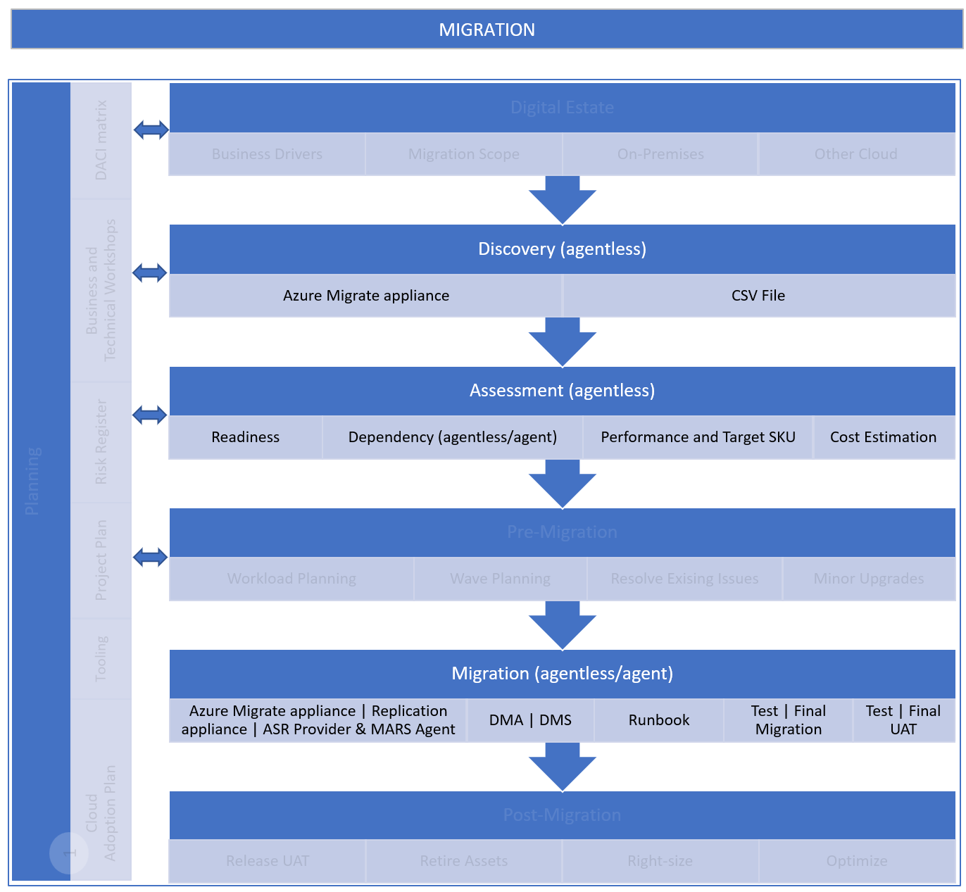

VMware
- Agentless Discovery and assessment of VMware servers
- Agentless migration of VMware servers
Hyper-V
- Agentless Discovery and assessment of Hyper-V servers
- Cannot be used to migrate Hyper-V servers
Physical or other Clouds
- Agentless Discovery and assessment of physical or other cloud VMs
- Cannot be used to migrate physical or other cloud servers

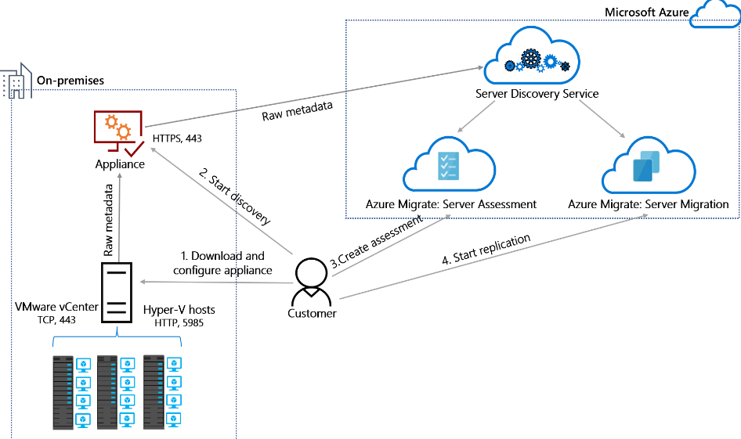

Discover

Assess

Migrate

DISCOVERY |  | ASSESSMENT |  | MIGRATION
Environment | Reference | Environment | Reference | Environment | Reference
VMware | Discover servers running in a VMware environment with Azure Migrate Discovery and assessment | VMware | Assess VMware servers for migration to Azure VMs in Azure Migrate | VMware | Select a VMware migration option with Azure Migrate Server Migration
Hyper-V | Discover servers on Hyper-V with Azure Migrate Discovery and assessment | Hyper-V | Assess Hyper-V VMs for migration to Azure VMs with Azure Migrate | Hyper-V | Migrate Hyper-V VMs to Azure with Azure Migrate Server Migration
Physical | Discover physical servers with Azure Migrate Discovery and assessment | Physical | Assess physical servers for migration to Azure with Azure Migrate | Physical | Migrate machines as physical server to Azure with Azure Migrate
AWS | Discover AWS instances with Azure Migrate Discovery and assessment | AWS | Assess AWS instances for migration to Azure with Azure Migrate | AWS | Discover, assess, and migrate Amazon Web Services (AWS) EC2 VMs to Azure
GCP | Discover servers on GCP instances with Azure Migrate Discovery and assessment | GCP | Assess GCP VM instances for migration to Azure with Azure Migrate | GCP | Discover, assess, and migrate Google Cloud Platform (GCP) VM instances to Azure

6. Tooling | ASR Provider+MARS
 | Azure Site Recovery Provider + Microsoft Azure Recovery Services Agent

The purpose of this page is to visualize the capabilities of the Azure Site Recovery Provider and Microsoft Azure Recovery Services Agent when used to migrate Hyper-V source environments. Reference information is also provided.

VMware
- Not used for migration of VMware servers
Hyper-V
- Agentless migration of Hyper-V servers
*Provider and agent is installed on the host servers
Physical or other Cloud
- Not used for migration of physical or other cloud servers

Migrate
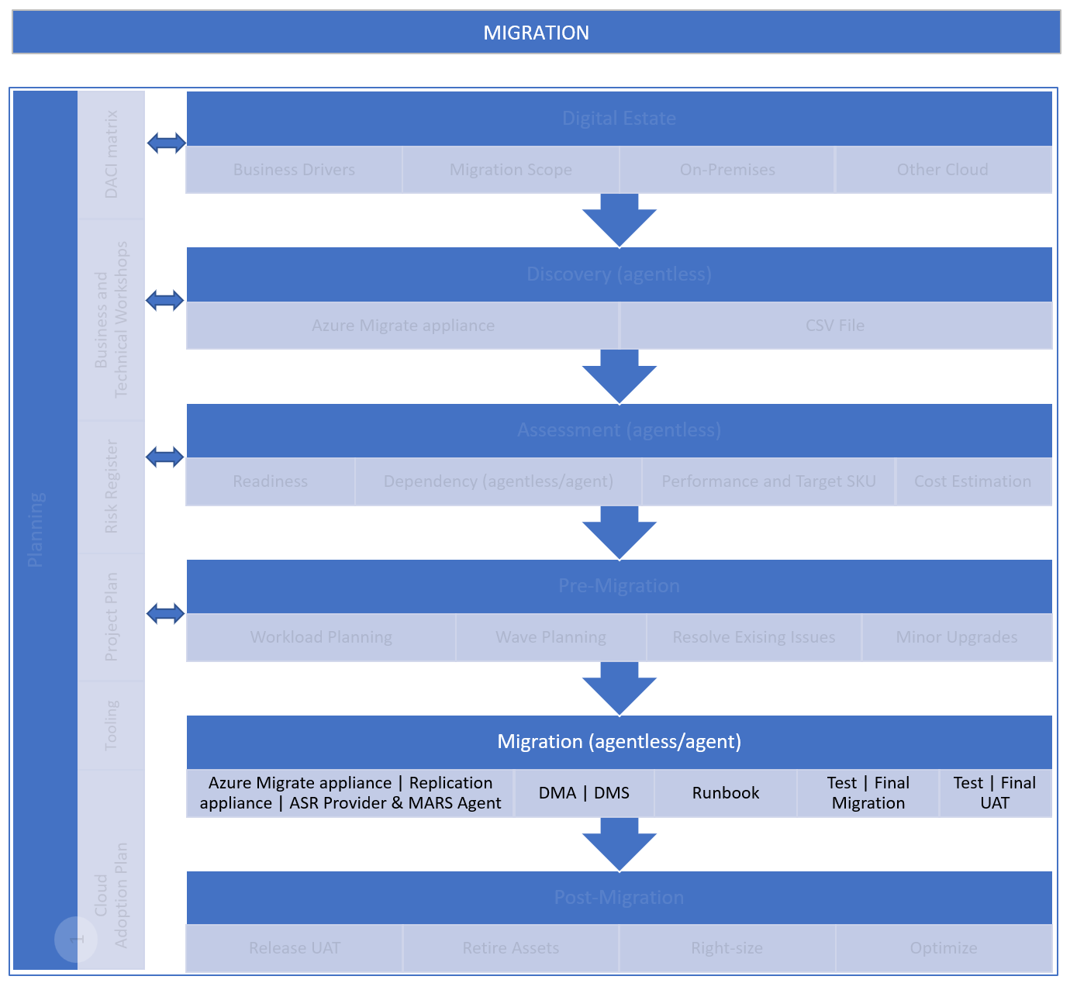 |  | 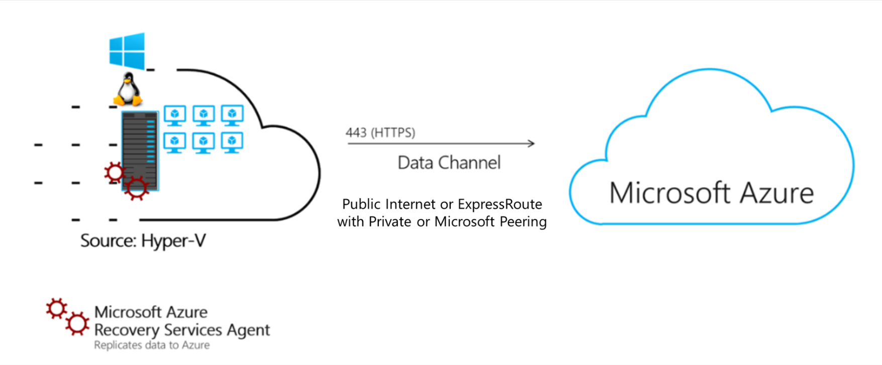

 | DISCOVERY |  | ASSESSMENT |  | MIGRATION
 | Environment | Reference | Environment | Reference | Environment | Reference
 | VMware | Discover servers running in a VMware environment with Azure Migrate Discovery and assessment | VMware | Assess VMware servers for migration to Azure VMs in Azure Migrate | VMware | Select a VMware migration option with Azure Migrate Server Migration
 | Hyper-V | Discover servers on Hyper-V with Azure Migrate Discovery and assessment | Hyper-V | Assess Hyper-V VMs for migration to Azure VMs with Azure Migrate | Hyper-V | Migrate Hyper-V VMs to Azure with Azure Migrate Server Migration
 | Physical | Discover physical servers with Azure Migrate Discovery and assessment | Physical | Assess physical servers for migration to Azure with Azure Migrate | Physical | Migrate machines as physical server to Azure with Azure Migrate
 | AWS | Discover AWS instances with Azure Migrate Discovery and assessment | AWS | Assess AWS instances for migration to Azure with Azure Migrate | AWS | Discover, assess, and migrate Amazon Web Services (AWS) EC2 VMs to Azure
 | GCP | Discover servers on GCP instances with Azure Migrate Discovery and assessment | GCP | Assess GCP VM instances for migration to Azure with Azure Migrate | GCP | Discover, assess, and migrate Google Cloud Platform (GCP) VM instances to Azure

6. Tooling | Repl. appliance
Azure Migrate Replication Appliance

The purpose of this page is to visualize the capabilities of the Azure Migrate Replication Appliance when used to migrate source environments that include VMware, Physical or other Clouds. Reference information is also provided.

VMware
- Agent-based migration of VMware servers
Hyper-V
- Not used for migration of Hyper-V servers
Physical or other Cloud
- Agent-based migration of physical or other cloud servers
Migrate
 |  | 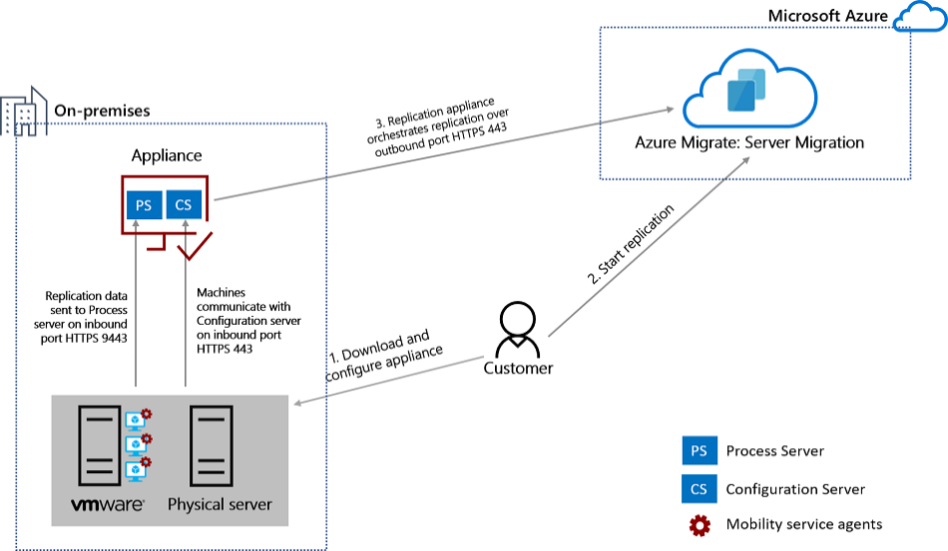

DISCOVERY |  | ASSESSMENT |  | MIGRATION
Environment | Reference | Environment | Reference | Environment | Reference
VMware | Discover servers running in a VMware environment with Azure Migrate Discovery and assessment | VMware | Assess VMware servers for migration to Azure VMs in Azure Migrate | VMware | Select a VMware migration option with Azure Migrate Server Migration
Hyper-V | Discover servers on Hyper-V with Azure Migrate Discovery and assessment | Hyper-V | Assess Hyper-V VMs for migration to Azure VMs with Azure Migrate | Hyper-V | Migrate Hyper-V VMs to Azure with Azure Migrate Server Migration
Physical | Discover physical servers with Azure Migrate Discovery and assessment | Physical | Assess physical servers for migration to Azure with Azure Migrate | Physical | Migrate machines as physical server to Azure with Azure Migrate
AWS | Discover AWS instances with Azure Migrate Discovery and assessment | AWS | Assess AWS instances for migration to Azure with Azure Migrate | AWS | Discover, assess, and migrate Amazon Web Services (AWS) EC2 VMs to Azure
GCP | Discover servers on GCP instances with Azure Migrate Discovery and assessment | GCP | Assess GCP VM instances for migration to Azure with Azure Migrate | GCP | Discover, assess, and migrate Google Cloud Platform (GCP) VM instances to Azure

6. Tooling | SME-ADS-DMS
Azure Migrate + Azure SQL Migration Extension for Azure Data Studio with Database Migration Service (DMS)

The purpose of this page is to visualize the capabilities of Azure Migrate and Azure SQL Migration Extension for Azure Data Studio with Database Migration Service (DMS) when used to migrate SQL Servers. Reference information is also provided.

Migration Targets | 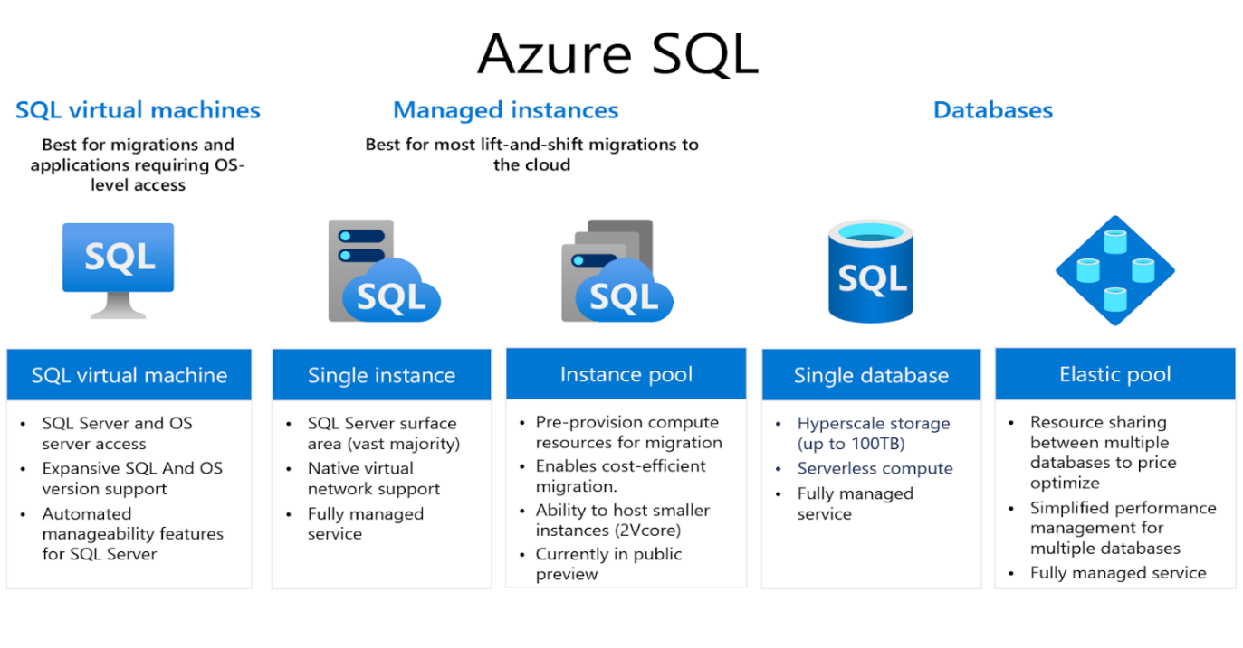

Migrate
Assess
Discover
Azure Migrate to DISCOVER and ASSESS SQL source environments Azure SQL Migration Extension for Azure Data Studio with Database Migration Service (DMS) to MIGRATE databases |  |  | 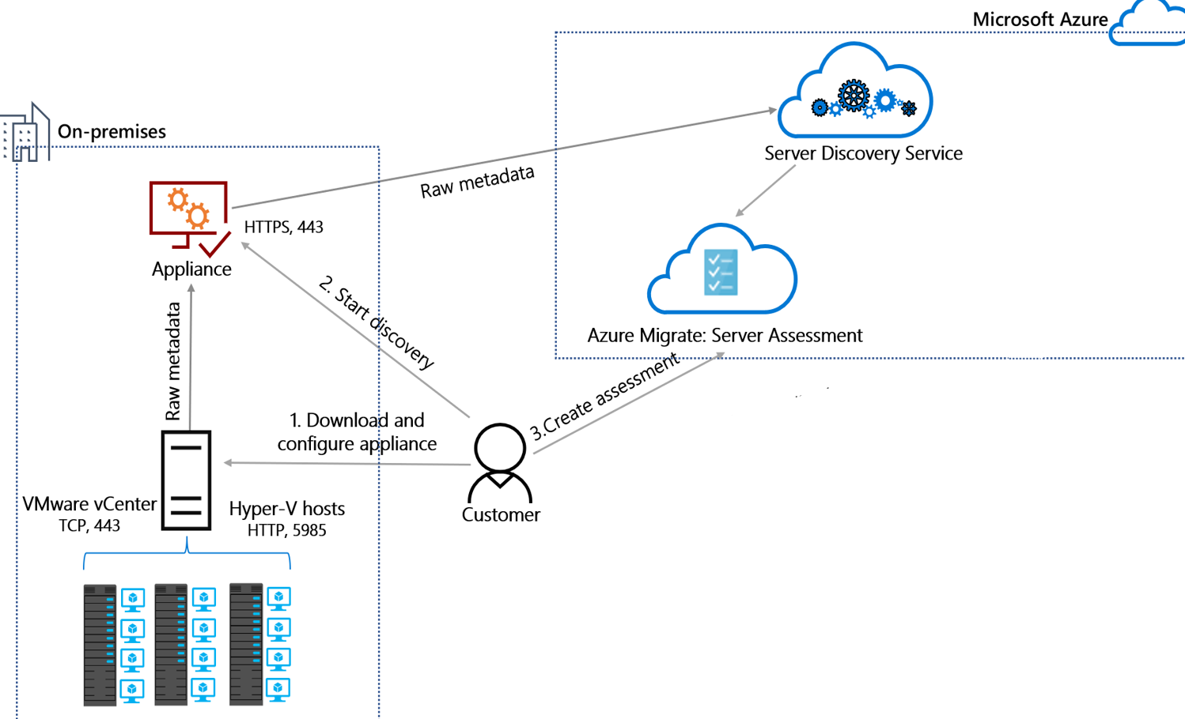 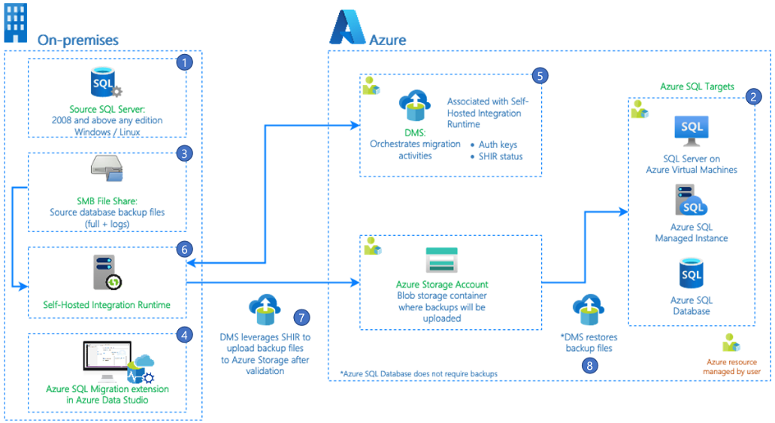

DISCOVERY |  | ASSESSMENT |  | MIGRATION
Environment | Reference | Environment | Reference | Environment | Reference
SQL Server | Discover SQL Server instances in an Azure Migrate project | SQL Server | Create an Azure SQL assessment - Azure Migrate | SQL Server | Migrate databases by using the Azure SQL Migration extension for Azure Data Studio
 |  |  |  | SQL Server | Azure DMS tools matrix - migration phase
 |  |  |  | SQL Server | Migrate SQL Server databases to Azure
 |  |  |  | SQL Server | Rehost an on-premises application by migrating to Azure VMs and Azure SQL Managed Instance
 |  |  |  | SQL Server | Rehost an application by migrating it to Azure VMs and SQL Server Always On availability groups

7. Checklist
Hyper-V
VMware
Physical
AWS
GCP
Agent
Agentless
Agentless
Agent
Agent
Agent
Server Migration
Azure Migrate appliance
Azure Migrate Replication appliance
Azure Migrate Replication appliance
Azure Migrate Replication appliance
Azure Migrate Replication appliance
Microsoft Azure Site Recovery provider and Microsoft Azure Recovery Service agent on Hyper-V Hosts or cluster nodes
Guest VM -->
Appliance / Host -->
TIP Select 'all environments' for generic content along with the specific source environment(s)

FastTrack for Azure
Migration Checklist

! High volume of support cases.

Phase | Topic | Source Environment | Item | Description | Incident Root Cause Alert | Severity | Status | Comment | Url | More information
1. Planning | Cloud Adoption Plan | All environments | Ensure that the migration project is aligned with the cloud adoption plan. |  |  | Medium | Not verified |  | Cloud adoption plan
1. Planning | Migration | VMware | Decide between agentless and agent-based migration strategies. | The decision determines whether the Azure Migrate appliance or the Azure Migrate Replication appliance will be used. |  | High | Not verified |  | Select a VMware migration option with Azure Migrate Server Migration
1. Planning | Migration | VMware Agent-based | Confirm that VMware host and guest VM requirements are met for agent-based migration. | VMware vCenter Server v5.5, 6.0, 6.5, or 6.7, and VMware vSphere ESXI host v5.5, 6.0, 6.5, 6.7 or 7.0 are supported. Refer to the URL for guest VM support. |  | High | Not verified |  | Support for VMware migration in Azure Migrate
1. Planning | Project Management | All environments | The migration project should have a separate dedicated project plan. |  |  | Medium | Not verified |  | Project Plan Template
1. Planning | Project Management | All environments | Resources should be assigned to key project roles and responsibilities. | The sample DACI matrix should be updated to reflect the specific allocation of roles and responsibilities for the migration project. |  | High | Not verified |  | DACI matrix | Resource Assignment
1. Planning | Project Management | All environments | Document planned leave for SME's and UAT testing teams. | Refer to this when planning migration waves. |  | Medium | Not verified |  | DACI matrix | Resource Assignment
1. Planning | Project Management | All environments | The project should have a risk register. | Refer to the sample risk register with common migration phase risks. |  | High | Not verified |  | Risk Register
1. Planning | Project Management | All environments | Consider using Azure Devops or GitHub projects to manage the migration project. |  |  | Low | Not verified |  | Migration Templates | Cloud Adoption Framework Tools and Templates
1. Planning | Tooling | All environments | Migrate using Azure Migrate rather than Azure Site Recovery. | Azure Migrate: Migration is the primary tool for Migrations to Azure. Azure Site Recovery supports Disaster Recovery scenarios |  | Medium | Not verified |  | Azure Migrate vs. Azure Site Recovery
1. Planning | Tooling | All environments | Plan for existing backups to be migrated. | Ensure existing and historical on premises backups can be restored and retained in line with legal requirements. Consider using reserved backup storage for long term backup retention. Decide if a 3rd party backup tool will be used, or if backups will be migrated to Azure Backup. |  | High | Not verified |  | 8. Workload'!A1
1. Planning | Tooling | All environments | Plan for password and key storage post migration | Will the customer use a third party solution or a key vault. Who needs access post migration. Ensure access to the current password and key management store is available to the migration team. |  | High | Not verified |  | 8. Workload'!A1
1. Planning | Tooling | All environments | Plan for SME/app owner access to new monitoring, backup, budget, observability portals. | So they can manage the applications and have visibility of their health. |  | Medium | Not verified |  | 8. Workload'!A1
1. Planning | Tooling | All environments | Confirm logins for SSL Cert , domain name management and external DNS portals are available. | Ensure someone in the business is able to log in and manage these resources prior to migration. Document any new SSL certs that will need to be purchased. |  | High | Not verified |  | 8. Workload'!A1
1. Planning | Tooling | All environments | Validate Application Licencing Model. | Confirm how the application license will be activated post migration. Note that some apps may rely on a dongle, static MAC or IP address. |  | High | Not verified |  | 8. Workload'!A1
1. Planning | Tooling | All environments | Confirm plan for OS, Application and Security patching post migration. | Ensure patches will be applied to migrated servers. Ensure schedules, black out windows or alerts are configured for migrated servers. |  | High | Not verified |  | 8. Workload'!A1
1. Planning | Tooling | All environments | Validate AV exclusions that will need to be applied post migration. | Ensure AV exclusions are migrated or re-applied in Azure for migrated workloads. |  | Medium | Not verified |  | 8. Workload'!A1
1. Planning | Tooling: Azure Migrate | All environments | Be mindful that Azure Policies with a deny effect may cause issues when creating an Azure Migrate project, and/or when migrating VMs. | Consider excluding the affected scope from the policies to resolve the issue. | 1 | High | Not verified
1. Planning | Tooling: Azure Migrate | All environments | Plan to create additional Azure Migrate projects if you need to migrate to multiple regions. | An Azure Migrate project will be required for each target region. |  | Medium | Not verified |  | Can I use the same Azure Migrate project to migrate to multiple regions?
1. Planning | Tooling: Azure Migrate | All environments | Plan target subscriptions for the migration scope and configure access in the TARGET SUBSCRIPTION(S) accordingly. | The lack of permissions to create a VM, write to a managed disk and join to a VNET on TARGET SUBSCRIPTION(s) is a frequent root cause on support cases. | 1 | Medium | Not verified |  | Can I use the same Azure Migrate project to migrate to multiple subscriptions?
1. Planning | Tooling: Azure Migrate appliance | All environments | Ensure that DNS name resolution works between the Azure Migrate appliance and Azure, Azure Migrate appliance and the host machines (ESX, Hyper-V) and guest migration source machines. |  | 1 | High | Not verified
1. Planning | Tooling: Azure Migrate appliance | All environments | Confirm that all prerequisites and support requirements for the Azure Migrate appliance are met. | Azure Migrate Discovery and Assessment tool (appliance) is a primary tool to discover (and then assess) migrated estate. | 1 | High | Not verified |  | Azure Migrate appliance
1. Planning | Tooling: Azure Migrate appliance | All environments | Allow internet access on the Azure Migrate appliance and ensure access to required URLs are provisioned. | Irrespective of Private or Public endpoint, certain URLs/FQDNs must be allowed outbound | 1 | High | Not verified |  | Azure Migrate appliance
1. Planning | Tooling: Azure Migrate appliance | All environments | Use the scripted methodology to deploy Azure Migrate appliance when OVA or VHD methods are not possible. | When OVA Template/VHD method is not available for any reason, appliance can be deployed using script method |  | High | Not verified |  | How to setup appliance using scripts for VMware/Hyper (When OVA/VHD option not available)
1. Planning | Tooling: Azure Migrate appliance | All environments | Allow Azure Migrate appliance auto-updates. | Enable auto update for the appliance |  | Medium | Not verified |  | Azure Migrate appliance - Auto-update
1. Planning | Tooling: Azure Migrate appliance | All environments | Routinely check the Azure Migrate appliance version. | Check appliance version |  | Medium | Not verified |  | Azure Migrate appliance - Version
1. Planning | Tooling: Azure Migrate appliance | All environments | Exclude the %ProgramData%\Microsoft Azure folder from antivirus scanning. | A/V exclusion best practices |  | High | Not verified |  | Azure Migrate appliance - Antivirus
1. Planning | Tooling: Azure Migrate appliance | VMware | Deploy Azure Migrate appliance as a new virtual server running on vCenter Server using an OVA template | Setup appliance using OVA Template method |  | High | Not verified |  | Tutorial to Setup an appliance for VMware
1. Planning | Tooling: Azure Migrate appliance | VMware | Deploy additional Azure Migrate appliances if more than 10 vCenter servers need to be connected to, and/or more than 10,000 servers need to be discovered. | Scale Discovery and assessment appliance |  | High | Not verified |  | Azure Migrate appliance - Scale out VMware
1. Planning | Tooling: Azure Migrate appliance (Government) | All environments | Deploy the Azure Migrate appliance for Government using a PowerShell installer script. | Discovery and assessment appliance for Azure Government |  | High | Not verified |  | Deploy appliance script government
1. Planning | Tooling: Azure Migrate Project | All environments | Ensure an account with appropriate permissions is available to create an Azure Migrate "Project" in the Azure Portal. | Owner or Contributor + User Access Administrator permissions to the subscription is required. Note: Contributor WITHOUT UAA is a frequent root cause on support cases. | 1 | High | Not verified |  | Create and manage projects
1. Planning | Tooling: Azure Migrate Replication appliance | VMware Agent-based | Confirm that Azure Migrate Replication appliance requirements are met for VMware agent-based migrations. | The replication appliance is required when you set up agent-based migration of either VMware VMs or physical servers. Replication appliance is a form of the Azure Site Recovery (ASR) tool that can be used for migration purposes. | 1 | High | Not verified |  | Azure Migrate replication appliance
1. Planning | Tooling: Dependency Analysis | All environments | Decide between agentless and agent-based or manual dependency analysis strategies. | It is possible to do a manual dependency analysis based on documentation, application owner interviews and/or using monitoring tools. A proven service like Azure Migrate is however recommended. |  | Medium | Not verified |  | Dependency analysis in Azure Migrate Discovery and assessment
1. Planning | Tooling: Discovery | All environments | Ensure that security approvals and admin access is available as required to run the tooling on your existing environment. |  | 1 | High | Not verified |  | Provide server credentials to discover software inventory, dependencies, web apps, and SQL Server instances and databases
1. Planning | Tooling: Discovery and Assessment | All environments | Decide how servers will be discovered and assessed. | Azure Migrate appliance is recommended, but it is also possible to use a CSV file. |  | Medium | Not verified |  | Discover and Assess servers using an imported CSV file
1. Planning | Tooling: Network | All environments | If a private network (e.g. Azure ExpressRoute private peering or a site-to-site VPN connection) is mandatory for use to discover, assess, and migrate servers with Azure Migrate use Azure Private Link. | Azure migrate discovery and migration traffic is received over public endpoint by default which can be altered using private endpoint/link services. Configuration should be chosen and implemented while setting up Azure Migrate Project |  | High | Not verified |  | Use Azure Migrate with private endpoints
1. Planning | Tooling: Network | All environments | If a private network is not mandatory for use to discover, assess, and migrate servers with Azure Migrate use ExpressRoute Microsoft peering or an internet connection. | Azure migrate discovery and migration traffic is received over public endpoint by default which can be altered using private endpoint/link services. Configuration should be chosen and implemented while setting up Azure Migrate Project |  | High | Not verified |  | Azure Migrate Connectivity
1. Planning | Tooling: Network | All environments | If you selected private endpoint as the connectivity method for the Azure Migrate project, grant the Recovery Services vault access to the cache storage account. |  | 1 | High | Not verified |  | Migrate servers to Azure by using Private Link
1. Planning | Tooling: Network | All environments | To replicate using ExpressRoute with private peering, create a private endpoint for the cache storage account. |  | 1 | High | Not verified |  | Migrate servers to Azure by using Private Link
1. Planning | Tooling: Network | All environments | If you selected private endpoint as the connectivity method for the Azure Migrate project, verify DNS name resolution. | Refer to the Azure Migrate project properties in the Azure portal for a list of resources that would need DNS name resolution. | 1 | High | Not verified |  | Troubleshoot network connectivity issues | Azure Private Endpoint DNS configuration
2. Digital Estate | Migration Planning | All environments | The migration scope should be defined as part of a digital estate discovery with included workloads for the migration project. | Digital estate planning takes several forms depending on the desired outcomes and size of the existing estate. Refer to the cloud adoption framework for different approaches. |  | Medium | Not verified |  | Digital Estate Discovery Template | Gather inventory data for a digital estate - Cloud Adoption Framework
2. Digital Estate | Migration Planning | All environments | Determine the digital estate planning approach - Workload based Top Down Assessment Approach -App aligned-5Rs IaaS/PaaS/SaaS) vs Asset-driven Approach (IaaS) |  |  | Medium | Not verified |  | Approaches to digital estate planning
2. Digital Estate | Migration Planning | All environments | The business drivers should be documented and communicated along with any key dates e.g. datacentre exit dates. |  |  | Medium | Not verified |  | Why are we moving to the cloud?
2. Digital Estate | Workload Planning | All environments | Document each workload with relevant technical, business and support information. | Workloads should be documented with key properties and specifications, their existing architecture design as well as the intended future architecture design. |  | Medium | Not verified |  | Workload Template
3. Discovery | Tooling | VMware | Confirm discovery support compatibility in a VMware environment for the digital estate and add any unsupported assets into a risk register. Use tools like Azure Migrate | Discovery support for VMware environment |  | High | Not verified |  | VMware discovery support
4. Assessment | Sizing | All environments | Decide on the sizing criteria that is most suitable to your business requirements. Choose between Performance-based and As-is-on-premises or do an assessment of each type and choose the best approach. | Business requirements like and cost savings versus the trade-off with risk should be considered. |  | Medium | Not verified |  | Assessment best practices in Azure Migrate Discovery and assessment tool
4. Assessment | Sizing | All environments | Recalculate assessments to include the most recent data in decisions. | Assessments are point-in-time snapshots, they aren't automatically updated with the latest data. |  | Medium | Not verified |  | Assessment best practices in Azure Migrate Discovery and assessment tool
4. Assessment | Sizing | All environments | Do not use Performance-based assessments with a confidence rating below 5 stars for making production decisions. |  |  | Medium | Not verified |  | Assessment best practices in Azure Migrate Discovery and assessment tool
4. Assessment | Workload Planning | All environments | Use Azure Migrate to assess readiness and cost estimates for migrating apps, infrastructure, and workloads to Microsoft Azure. | Assess migratable estate for readiness/estimates. Assessment is created in the portal using the discovered data using Azure migrate appliance |  | Medium | Not verified |  | Creating Azure Migrate assessments
4. Assessment | Workload Planning | All environments | Let the Azure migrate dependency tracker and performance data captures run across a week end, across a month end, quarter end, etc, as per the business cycles to capture sufficient data. |  |  | Medium | Not verified
5. Pre-Migration | Landing Zone | All environments | Ensure there is a suitable Landing Zone available to host the migrated workloads. | The FTA landing zone checklist can be used to review a landing zone design. |  | High | Not verified |  | Azure Landing Zone | FTA Landing Zone Review
5. Pre-Migration | Wave Planning | All environments | Plan migration waves and document with relevant information. | Migration waves should be planned around the grouping of dependent services e.g. application tiers, the criticality of services, the environment (non-production, production), the availability of acceptance testers, the size of replication data, the available network bandwidth, the potential impact on the hosting platform and its supporting services e.g. storage, etc. |  | Medium | Not verified |  | Migration Wave Template
5. Pre-Migration | Wave Planning | All environments | Evaluate network readiness for planned migration activities. | Total storage directly affects bandwidth requirements during initial replication. However, storage drift continues from the point of replication until release. Calculate the bandwidth needed to reach the anticipated migration velocity. | 1 | High | Not verified |  | Evaluate network readiness for planned migration activities | Replication and the migration process
5. Pre-Migration | Workload Optimization | All environments | Remediate workloads prior to migration. | Existing issues, minor host upgrades, minor guest OS upgrades, SLA modifications, reboot all machines etc. |  | Medium | Not verified |  | Remediating assets prior to migration
5. Pre-Migration | Workload Optimization | VMware | Before migration enable RDP on the on-premises VM. Make sure that TCP, and UDP rules are added for the Public profile, and that RDP is allowed in Windows Firewall > Allowed Apps, for all profiles. For site-to-site VPN access, enable RDP and allow RDP in Windows Firewall -> Allowed apps and features for Domain and Private networks. |  |  | High | Not verified |  | Support for VMware migration in Azure Migrate
5. Pre-Migration | Workload Planning | All environments | Intra-Subnet Traffic: Be mindful that security rules in a Network Security Group associated to a subnet can affect connectivity between VMs within the subnet. | This is often the root cause in failover cluster instance migrations to SQL Server on Azure VMs. | 1 | High | Not verified |  | Network security group - how it works | Migrate failover cluster instance - SQL Server on Azure VMs
5. Pre-Migration | Workload Planning | All environments | Perform pre-migration activities. Document the availability of hybrid benefits for each workload as the information is required for the migration step. | Estimate costs. Perform right-sizing for virtual machines (VMs) and storage. Use Azure Hybrid Benefit. Use Azure Reserved VM Instances, Reserved storage, Reserved backup storage. Compare Azure Savings plans and burstable instances. Estimate cloud spending across subscriptions. |  | High | Not verified |  | Best practices before migration to Azure
5. Pre-Migration | Workload Planning | All environments | Legacy workloads e.g. Windows Server 2008-2012R2, SQL Server 2012. | Target legacy workloads to access Microsoft extended security updates. |  | High | Not verified |  | What are extended security updates?
5. Pre-Migration | Workload Planning | All environments | Confirm Microsoft server software support for Azure VMs. | Microsoft maintains a list of server software that is officially supported on Azure VMs. |  | High | Not verified |  | Microsoft server software support for Azure VMs
5. Pre-Migration | Workload Planning | All environments | Define a promotion model for each assessed workload. | Single-step: Staging process doubles as the promotion process. After all assets are staged, end-user traffic is rerouted and staging becomes production. In such a case, promotion is part of the migration process. Staged: In a staged promotion model, the workload is considered migrated after it's staged, but it isn't yet promoted. Before promotion, the migrated workload undergoes a series of performance tests, business tests, and optimization changes. It's then promoted at a future date with a business test plan. Flight: In a flight model, the assets in the workload are treated like production after landing in staging. After a condensed period of automated testing, production traffic is routed to the workload. However, it's a subset of the traffic. That traffic serves as the first flight of production and testing. Assuming the workload works from a feature and performance perspective, more traffic is migrated. After all production traffic has been moved onto the new assets, the workload is considered fully promoted. |  | Medium | Not verified |  | Promotion model types
5. Pre-Migration | Workload Planning | All environments | Design workload architecture before migration for each workload. The workload architecture will determine placement in the cloud, any prerequisite work that may be required e.g. allowing firewall ports, network communication, deployment of load balancers, placement in availability sets/zones, proximity groups, etc. | In addition to the generic landing zone design and implementation that needs to precede a workload migration, specific architecture planning is also required for each workload. Workloads may have different requirements wrt network, availability services, management and security. |  | Medium | Not verified |  | Design workload architectures before migration
5. Pre-Migration | Workload Planning | All environments | Prioritise workloads based on quick wins. | Use the assessment reports to identify low-hanging fruit, including servers and databases that are fully ready, and require minimal effort to migrate to Azure. |  | Low | Not verified |  | Build a migration plan with Azure Migrate
5. Pre-Migration | Workload Planning | All environments | To replicate VMs with CMK, you'll need to create a disk encryption set under the target Resource Group. A disk encryption set object maps Managed Disks to a Key Vault that contains the CMK to use for SSE. |  |  | High | Not verified |  | Enable customer-managed keys with SSE
5. Pre-Migration | Workload Planning | All environments | For each workload, choose and document the desired disk encryption option. | Encryption-at-rest with platform-managed key Encryption-at-rest with customer-managed key Double encryption with platform-managed and customer-managed keys |  | Medium | Not verified |  | Overview of managed disk encryption options
5. Pre-Migration | Workload Planning | All environments | For each workload, choose an availability option and document it in the workload plan. | Availability Set Availability Zone No infrastructure redundancy required option |  | High | Not verified |  | Availability options for Azure Virtual Machines
5. Pre-Migration | Workload Planning | All environments | Manually configure the SAN policy as Online All for machines running operating systems earlier than Windows Server 2008 R2 |  |  | High | Not verified |  | Prepare machines for migration with Azure Migrate
5. Pre-Migration | Workload Planning | All environments | Install Hyper-V Guest Integration manually on machines running Windows Server 2003. |  |  | High | Not verified |  | Prepare machines for migration with Azure Migrate
5. Pre-Migration | Workload Planning | All environments | Install the Windows Azure Guest Agent manually for machines running operating systems earlier than Windows Server 2008 R2. |  |  | High | Not verified |  | Prepare machines for migration with Azure Migrate
5. Pre-Migration | Workload Planning | All environments | Do not migrate domain controllers unless migrating into an isolated environment in Azure requiring its own domain controllers (or testing applications in a sandbox environment). | It is recommended that additional domain controllers be built and replicated to using AD DS services rather than migrated. |  | High | Not verified |  | Common questions about Azure Migrate Server Migration
5. Pre-Migration | Workload Planning | All environments | Do not migrate/move the last domain controller before migrating all domain-dependent workloads. |  |  | High | Not verified
5. Pre-Migration | Workload Planning | All environments | Verify that the desired VM Sku is available in the target region prior to migration. Also confirm that Azure Policy is not blocking the VM Sku, and that the target subscription has sufficient available quota. |  | 1 | High | Not verified
5. Pre-Migration | Workload Planning | All environments | Monitor resource consumption including disk capacity and utilization on replicating machines, appliances and host systems. | Configure alerting. |  | Medium | Not verified
5. Pre-Migration | Workload Preparation | All environments | Check Windows Application and System event logs for any errors. |  |  | Medium | Not verified
5. Pre-Migration | Workload Preparation | All environments | Create a detailed migration rollback plan. | Prepare a rollback plan for the workload in case of workload issues during or after migration. Note: Once you've performed a final migration to Azure and the on-premises source machine was shut down, you can't perform a rollback from Azure to your on-premises environment using Azure Migrate. Any rollback plan after final migration would need to be based on features external to Azure Migrate e.g. backups and restore. |  | High | Not verified |  | Is there a Rollback option for Azure Migrate?
5. Pre-Migration | Workload Preparation | All environments | Test migration plan and record timings. |  |  | High | Not verified
5. Pre-Migration | Workload Preparation | All environments | Test rollback plan and record timings. |  |  | High | Not verified
6. Migration | Migration | All environments | Clean up test migrations using the Azure Migrate: Server Migration. |  |  | Low | Not verified
6. Migration | Migration | All environments | Notify the business and those affected by the migration maintenance window. | Consider a standard meeting invite that includes the migration plan and a conference bridge to discuss any open items during the migration. |  | Medium | Not verified
6. Migration | Replication | VMware | Review common replication bottlenecks through testing and validation. | The replication speed of initial migration in a Migrate Appliance infrastructure, has many factors to consider. Usually the appliance is in vCenter as a VM and its disks reside in a data store. Possible bottlenecks: 1. Replication bandwidth between appliance and Azure / storage account. Monitor connection e.g. ExpressRoute. Test speed between appliance and cache storage account using azcopy bench. 2. Monitor appliance performance for CPU/RAM/Network (inbound and outbound) as well as disk IOPS. 3. Replication bandwidth between the ESXi host and appliance. 4. Source VM disk IOPS. 5. Combination of the above. Trigger an initial replication to monitor and benchmark all of the above. | 1 | High | Not verified |  | azcopy bench
6. Migration | Test Migration | All environments | Plan to perform workload UAT during a test migration for each workload. | Use a non-production vnet and subnet to host and validate the VMs as part of the test migration. |  | High | Not verified |  | Business testing guidance during migration | Build a migration plan with Azure Migrate
6. Migration | Tooling: Azure Migrate | VMware | Deploy VMs in a suitable VMware environment (e.g. non-production) and perform agentless test migrations of non-business workloads to Azure to validate the toolset and procedure prior to test migrations of business workloads. | The procedure and migration tooling should be initially tested with no (or low, potentially only bandwidth consumption) business impact. |  | High | Not verified |  | Tutorial Migrate VMware VMs using agentless method | Tests migrate replicating virtual machines
6. Migration | Tooling: Azure Migrate | VMware Agent-based | Deploy VMs in a suitable VMware environment (e.g. non-production) and perform agent-based test migrations of non-business workloads to Azure to validate the toolset and procedure prior to test migrations of business workloads. | The procedure and migration tooling should be initially tested with no (or low, potentially only bandwidth consumption) business impact. |  | High | Not verified |  | Tutorial Migrate VMware VMs using agent-based method
7. Post-Migration | Cleanup | All environments | Move app traffic over to the app running on the migrated Azure VM instance. |  |  | High | Not verified
7. Post-Migration | Cleanup | All environments | Remove the on-premises VMs from your local VM inventory. |  |  | Low | Not verified
7. Post-Migration | Cleanup | All environments | Update any internal documentation to show the new location and IP address of the Azure VMs. | Including application as-built and architecture documentation. |  | Low | Not verified
7. Post-Migration | Cleanup | VMware | Manually uninstall VMware tools after migration. |  |  | Medium | Not verified
7. Post-Migration | Cleanup | VMware Agent-based | Manually uninstall the Mobility service from the Azure VM after migration. |  |  | Medium | Not verified
7. Post-Migration | Licensing | All environments | Verify and troubleshoot any Windows activation issues on the Azure VM. |  |  | High | Not verified |  | Troubleshoot Windows virtual machine activation problems in Azure
7. Post-Migration | Linux | VMware Agent-based | Install the Azure VM agent on Linux VMs after migration. | The Azure VM agent manages VM interaction with the Azure Fabric Controller. It's required for some Azure services, such as Azure Backup, Site Recovery, and Azure Security. When migrating VMware VMs with agent-based migration, the Mobility Service installer installs Azure VM agent on Windows machines. On Linux VMs, it is recommend to install the agent after migration. |  | Medium | Not verified |  | Migrate VMware VMs with agent-based Azure Migrate Server Migration
7. Post-Migration | Replication | All environments | Factor stop replication duration into change management and cost considerations. | As a best practice, always complete the migration after a VM has migrated successfully to Azure to ensure that extra charges for storage transactions on the intermediate managed disks (seed disks) are not incurred. Be mindful that in some cases, stop replication takes time. It is because whenever replication is stopped, the ongoing replication cycle is completed (only when the VM is in delta sync) before deleting the artifacts. The time taken to stop replication has a high volume of support incidents. | 1 | High | Not verified
7. Post-Migration | Testing | All environments | Confirm SME's have access to monitoring and observability resources. | Conduct handover training so the teams can self manage alerts and thresholds. Test that alerts, api or helpdesk integration is working. Set up service health alerts for these teams to notify them of any service deprecations. Set up Azure advisor alerts. |  | Low | Not verified
7. Post-Migration | Testing | All environments | Validate connectivity to the new Azure VM using RDP, SSH, Azure Bastion. |  |  | High | Not verified |  | Azure Bastion | Connect using Remote Desktop to an Azure VM running Windows
7. Post-Migration | User Acceptance Testing | All environments | Plan to perform final workload UAT following the production migration for each workload. |  |  | High | Not verified |  | Decommission retired assets
7. Post-Migration | Workload Optimization | All environments | Decommission retired assets. |  |  | High | Not verified |  | Decommission retired assets
7. Post-Migration | Workload Optimization | All environments | Perform post-migration activities. | Use Azure Cost Management + Billing Monitor resource utilization Implement resource group budgets Benchmark and resize cloud assets Optimize storage Automate VM optimization Use Azure Logic Apps and runbooks with Budgets API Implement serverless technologies |  | High | Not verified |  | Best practices after migration to Azure | Benchmark and resize cloud assets
7. Post-Migration | Workload Optimization | All environments | Perform any post-migration app tweaks, such as updating database connection strings, and web server configurations. |  |  | High | Not verified
7. Post-Migration | Workload Optimization | All environments | Configure Business continuity and disaster recovery for the Azure VM. | Azure Backup Azure Site Recovery |  | High | Not verified |  | Azure Backup | Azure Site Recovery
7. Post-Migration | Workload Optimization | All environments | Ensure that the Azure VM is covered by Defender for Cloud. |  |  | High | Not verified |  | Microsoft Defender for Cloud
7. Post-Migration | Workload Optimization | All environments | Restrict network traffic as required with Network Security Groups. |  |  | High | Not verified |  | Azure network security groups
7. Post-Migration | Workload Optimization | All environments | Enable the serial console on Azure VMs to help with troubleshooting. |  |  | High | Not verified |  | Prepare machines for migration with Azure Migrate
7. Post-Migration | Workload Optimization | All environments | Configure an auto shutdown schedule for VMs that meet the business requirements. | Refer to the workload template for auto shutdown business decisions. |  | High | Not verified |  | 8. Workload'!A1
7. Post-Migration | Workload Optimization | All environments | Confirm that workload monitoring is configured and complies with observability requirements, configure any required alerts. | Confirmation that migrated workload is successfully monitored and required alerts are configured. |  | High | Not verified |  | Monitoring Azure virtual machines
7. Post-Migration | Workload Optimization | All environments | Confirm that migrated VMs are enrolled to Update management and is able to receive security and feature updates. |  |  | High | Not verified |  | Azure Automation Update Management

8. Example Project Plan
Migration Project Plan
Visualize and track your migration projects using this template. To start, enter the tasks you're working on in the Milestone description section and then enter details for each task. The data will automatically update and it’s easy to insert new tasks or use the scrollbar to scroll through the timeline.
• Use Progress to add how much of the project you finished by adding a percentage number.
• Add the day you started your project in the Project Start Date.
• Finish your calculations by filling in the number of days you need to complete your project in the Total Days to deliver field.

Migration Project Title

TIP Scroll bar
Company name | Contoso |  |  |  |  |  |  | Total Days to deliver: | 114 |  |  |  |  | Legend: | Complete |  |  |  |  | On Track |  |  |  |  | Low Risk |  |  |  |  | Med Risk |  |  |  |  | High Risk |  |  |  |  | Unassigned |  |  |  |  | Step
Migration Architect | Rita Tsakiris |  |  |  |  |  |  | Days Delivered so far: | 22.0
Project Start Date: | 2022-10-26 |  |  |  |  |  |  | Percent project delivered: | 19.3% |  |  |  |  |  | October |  |  |  |  |  |  | November |  |  |  |  |  |  |  |  |  |  |  |  |  |  |  |  |  |  |  |  |  |  |  |  |  |  |  |  |  |  |  |  |  |  | December |  |  |  |  |  |  |  |  |  |  |  |  |  |  |  |  |  |  |  |  |  |  |  |  |  |  |  | January
Scrolling View Offset (Auto): | 0 |  |  |  |  |  |  |  |  |  |  |  |  |  | 2022-10-26 | 2022-10-27 | 2022-10-28 | 2022-10-29 | 2022-10-30 | 2022-10-31 | 2022-11-01 | 2022-11-02 | 2022-11-03 | 2022-11-04 | 2022-11-05 | 2022-11-06 | 2022-11-07 | 2022-11-08 | 2022-11-09 | 2022-11-10 | 2022-11-11 | 2022-11-12 | 2022-11-13 | 2022-11-14 | 2022-11-15 | 2022-11-16 | 2022-11-17 | 2022-11-18 | 2022-11-19 | 2022-11-20 | 2022-11-21 | 2022-11-22 | 2022-11-23 | 2022-11-24 | 2022-11-25 | 2022-11-26 | 2022-11-27 | 2022-11-28 | 2022-11-29 | 2022-11-30 | 2022-12-01 | 2022-12-02 | 2022-12-03 | 2022-12-04 | 2022-12-05 | 2022-12-06 | 2022-12-07 | 2022-12-08 | 2022-12-09 | 2022-12-10 | 2022-12-11 | 2022-12-12 | 2022-12-13 | 2022-12-14 | 2022-12-15 | 2022-12-16 | 2022-12-17 | 2022-12-18 | 2022-12-19 | 2022-12-20 | 2022-12-21 | 2022-12-22 | 2022-12-23 | 2022-12-24 | 2022-12-25 | 2022-12-26 | 2022-12-27 | 2022-12-28 | 2022-12-29 | 2022-12-30 | 2022-12-31 | 2023-01-01 | 2023-01-02 | 2023-01-03 | 2023-01-04 | 2023-01-05 | 2023-01-06 | 2023-01-07 | 2023-01-08 | 2023-01-09 | 2023-01-10 | 2023-01-11 | 2023-01-12 | 2023-01-13 | 2023-01-14 | 2023-01-15 | 2023-01-16 | 2023-01-17 | 2023-01-18 | 2023-01-19 | 2023-01-20 | 2023-01-21 | 2023-01-22 | 2023-01-23 | 2023-01-24

Milestone description | Category | Id | Assigned to | Days of Work | Days Delayed | Overlap Days | Lag Days | Dependency | Dependency Type | Progress % | Days Complete | Start Date Override | Start Date | End Date | Wed | Thu | Fri | Sat | Sun | Mon | Tue | Wed | Thu | Fri | Sat | Sun | Mon | Tue | Wed | Thu | Fri | Sat | Sun | Mon | Tue | Wed | Thu | Fri | Sat | Sun | Mon | Tue | Wed | Thu | Fri | Sat | Sun | Mon | Tue | Wed | Thu | Fri | Sat | Sun | Mon | Tue | Wed | Thu | Fri | Sat | Sun | Mon | Tue | Wed | Thu | Fri | Sat | Sun | Mon | Tue | Wed | Thu | Fri | Sat | Sun | Mon | Tue | Wed | Thu | Fri | Sat | Sun | Mon | Tue | Wed | Thu | Fri | Sat | Sun | Mon | Tue | Wed | Thu | Fri | Sat | Sun | Mon | Tue | Wed | Thu | Fri | Sat | Sun | Mon | Tue
Project Start | Step | 18 |  |  |  |  |  |  |  | 100% | 0.0 | 2022-10-26 | 2022-10-26 | 2022-10-26
Project Start Step | Goal | 19 |  | 1 |  |  |  | Project Start | Start Date | 100% | 1.0 |  | 2022-10-26 | 2022-10-26 | 2
PLANNING | Step | 20 |  |  |  |  |  | Project Start Step | End Date | 100% | 0.0 |  | 2022-10-27 | 2022-11-09
Align the migration project with the cloud adoption plan | On Track | 21 | Rita Tsakiris | 1 |  |  |  | PLANNING | Start Date | 100% | 1.0 |  | 2022-10-27 | 2022-10-27
Assign resources to project | Complete | 22 | Ebere Ibeabuchi | 1 | 2 |  |  | Align the migration project with the cloud adoption plan | End Date | 100% | 3.0 |  | 2022-10-28 | 2022-11-01
Create a risk register | Low Risk | 23 | Ebere Ibeabuchi | 3 |  | 2 |  | Assign resources to project | End Date | 100% | 3.0 |  | 2022-10-31 | 2022-11-02
Liaise with service management team to create migration change request forms | Low Risk | 24 | Ebere Ibeabuchi | 1 |  |  | 6 | PLANNING | Start Date | 100% | 1.0 |  | 2022-11-04 | 2022-11-04
Create a project repository with all templates | Low Risk | 25 | Ebere Ibeabuchi | 1 |  |  | 6 | PLANNING | Start Date | 100% | 1.0 |  | 2022-11-04 | 2022-11-04
Conduct a business workhop | Low Risk | 26 | Rita Tsakiris | 2 |  |  |  | Assign resources to project | End Date | 100% | 2.0 |  | 2022-11-02 | 2022-11-03
Conduct a technical workhop | Low Risk | 27 | Rita Tsakiris | 3 |  |  |  | Liaise with service management team to create migration change request forms | End Date | 100% | 3.0 |  | 2022-11-07 | 2022-11-09
DIGITAL ESTATE DISCOVERY | Step | 28 |  |  |  |  |  | PLANNING | End Date | 100% | 0.0 |  | 2022-11-10 | 2022-11-23
Perform a digital estate discovery and populate template | On Track | 29 | Rita Tsakiris | 5 |  |  | 2 | DIGITAL ESTATE DISCOVERY | Start Date | 100% | 5.0 |  | 2022-11-14 | 2022-11-18
Liaise with business to complete digital discovery and migration scope | Milestone | 30 | Rita Tsakiris | 2 |  |  |  | Perform a digital estate discovery and populate template | End Date | 100% | 2.0 |  | 2022-11-21 | 2022-11-22 |  |  |  |  |  |  |  |  |  |  |  |  |  |  |  |  |  |  |  |  |  |  |  |  |  |  | 1 | 1
… | Low Risk | 31 |  | 1 |  |  |  | Liaise with business to complete digital discovery and migration scope | End Date | 100% | 1.0 |  | 2022-11-23 | 2022-11-23
TOOLING | Step | 32 |  |  |  |  |  | DIGITAL ESTATE DISCOVERY | End Date | 14% | 0.0 |  | 2022-11-24 | 2022-12-06
Define migration tooling and get business signoff on approach | On Track | 33 | Rita Tsakiris | 1 |  | 1 |  | TOOLING | Start Date | 100% | 1.0 |  | 2022-11-23 | 2022-11-23
Create Azure Migrate project in Contoso production subscription | Med Risk | 34 | Alexandra Voronova | 2 |  |  | 3 | Define migration tooling and get business signoff on approach | End Date | 0% | 0.0 |  | 2022-11-29 | 2022-11-30
Install Azure Migrate appliance in Apollo data centre | High Risk | 35 | Alexandra Voronova | 2 |  |  |  | Create Azure Migrate project in Contoso production subscription | End Date | 0% | 0.0 |  | 2022-12-01 | 2022-12-02
… | Goal | 36 |  | 2 |  |  |  | Install Azure Migrate appliance in Apollo data centre | End Date | 0% | 0.0 |  | 2022-12-05 | 2022-12-06 |  |  |  |  |  |  |  |  |  |  |  |  |  |  |  |  |  |  |  |  |  |  |  |  |  |  |  |  |  |  |  |  |  |  |  |  |  |  |  |  | 2 | 2
DISCOVERY | Step | 37 |  |  |  |  |  | TOOLING | End Date | 0% | 0.0 |  | 2022-12-07 | 2022-12-13
Confirm discovery support compatibility in a VMware environment for the digital estate | Low Risk | 38 | Alexandra Voronova | 1 |  |  |  | DISCOVERY | Start Date | 0% | 0.0 |  | 2022-12-07 | 2022-12-07
Discover servers in Apollo datacentre using Azure Migrate | Low Risk | 39 | Alexandra Voronova | 1 | 1 |  |  | Confirm discovery support compatibility in a VMware environment for the digital estate | End Date | 0% | 0.0 |  | 2022-12-08 | 2022-12-09
… | Goal | 40 |  | 1 | 1 |  |  | Discover servers in Apollo datacentre using Azure Migrate | End Date | 0% | 0.0 |  | 2022-12-12 | 2022-12-13 |  |  |  |  |  |  |  |  |  |  |  |  |  |  |  |  |  |  |  |  |  |  |  |  |  |  |  |  |  |  |  |  |  |  |  |  |  |  |  |  |  |  |  |  |  |  |  | 2 | 2
ASSESSMENT | Step | 41 |  |  |  |  |  | DISCOVERY | End Date | 0% | 0.0 |  | 2022-12-14 | 2023-01-04
Perform AS-IS assessment using Azure Migrate | Med Risk | 42 | Alexandra Voronova | 15 |  |  |  | ASSESSMENT | Start Date | 0% | 0.0 |  | 2022-12-14 | 2023-01-03
Perform PERFORMANCE-BASED assessment using Azure Migrate | Med Risk | 43 | Alexandra Voronova | 5 |  |  | 10 | ASSESSMENT | Start Date | 0% | 0.0 |  | 2022-12-28 | 2023-01-03
… | Milestone | 44 |  | 1 |  |  |  | Perform PERFORMANCE-BASED assessment using Azure Migrate | End Date | 0% | 0.0 |  | 2023-01-04 | 2023-01-04 |  |  |  |  |  |  |  |  |  |  |  |  |  |  |  |  |  |  |  |  |  |  |  |  |  |  |  |  |  |  |  |  |  |  |  |  |  |  |  |  |  |  |  |  |  |  |  |  |  |  |  |  |  |  |  |  |  |  |  |  |  |  |  |  |  |  |  |  |  |  | 1
WAVE 01|PRE-MIGRATION | Step | 45 |  |  |  |  |  | ASSESSMENT | End Date | 0% | 0.0 |  | 2023-01-05 | 2023-02-02
Wave 01 Planning | Low Risk | 46 | Rita Tsakiris | 15 |  |  |  | WAVE 01|PRE-MIGRATION | Start Date | 0% | 0.0 |  | 2023-01-05 | 2023-01-25
Evaluate network readiness for planned migration activities. | High Risk | 47 | Alexandra Voronova | 5 |  |  |  | Wave 01 Planning | End Date | 0% | 0.0 |  | 2023-01-26 | 2023-02-01
… | Milestone | 48 |  | 1 |  |  |  | Evaluate network readiness for planned migration activities. | End Date | 0% | 0.0 |  | 2023-02-02 | 2023-02-02
WAVE 01|MIGRATION | Step | 49 |  |  |  |  |  | WAVE 01|PRE-MIGRATION | End Date | 0% | 0.0 |  | 2023-02-03 | 2023-02-28
Perform test migration of selected workloads | Med Risk | 50 | Alexandra Voronova | 15 |  |  |  | WAVE 01|MIGRATION | Start Date | 0% | 0.0 |  | 2023-02-03 | 2023-02-23
Migration of selected workloads | Milestone | 51 | Alexandra Voronova | 1 |  |  |  | Perform test migration of selected workloads | End Date | 0% | 0.0 |  | 2023-02-24 | 2023-02-24
Test migration cleanup | Med Risk | 52 | Alexandra Voronova | 1 |  |  |  | Migration of selected workloads | End Date | 0% | 0.0 |  | 2023-02-27 | 2023-02-27
… |  | 53 |  | 1 |  |  |  | Test migration cleanup | End Date | 0% | 0.0 |  | 2023-02-28 | 2023-02-28
WAVE 01|POST-MIGRATION | Step | 54 |  |  |  |  |  | WAVE 01|MIGRATION | End Date | 0% | 0.0 |  | 2023-03-01 | 2023-03-28
Move app traffic over to the app running on the migrated Azure VM instance. | High Risk | 55 | Alexandra Voronova | 15 |  |  |  | WAVE 01|POST-MIGRATION | Start Date | 0% | 0.0 |  | 2023-03-01 | 2023-03-21
… |  | 56 |  | 5 |  |  |  | Move app traffic over to the app running on the migrated Azure VM instance. | End Date | 0% | 0.0 |  | 2023-03-22 | 2023-03-28
Project Duration Step - DO NOT TOUCH INSERT TASKS/ROWS ABOVE THIS | Step | 57 |  |  |  |  |  | WAVE 01|POST-MIGRATION | End Date | 0% | 0.0 |  | 2023-03-29 | 2023-03-28
To add more data, Insert new rows ABOVE this STEP (PROJECT END) and fill the progress & dates formulas | Goal | 58 |  | 1 |  |  |  | Project Duration Step - DO NOT TOUCH INSERT TASKS/ROWS ABOVE THIS | Start Date | 0% | 0.0 | 2023-03-28 | 2023-03-28 | 2023-03-28

8. Digital Estate
Digital Estate
Discovery
The purpose of the digital estate discovery is to present an inventory of applications and services to the business in order to determine the scope and nature of a migration project.
Important dates should be captured and mapped to milestones in the project plan.

i Significant dates e.g. exit datacentre by <date>
i Common cloud migration and modernization drivers

 |  |  |  |  |  |  |  |  |  |  |  |  |  |  |  |  |  |  |  | Migration Decisions |  |  |  | Financial |  |  | Approvals
Discovery Date | Data Centre | Workload | SLA | Description | Redundancy | Compliance | Revenue Impacting | Users | Business Unit | Business Owner | Technical Owner | Environment | Servers | App Type | Business Criticality | Lifecycle | End-of-life Date | Business Drivers | Milestone Date | Priority | Rationalization | Tooling | Promotion | On-premises Cost | Cloud Cost | Migration Cost | Business Owner | Technical Owner | Migration Architect | Approval Date | Scheduled Start Migration Date
2023-12-01 | Apollo | Lunar Orbit Control | 99.99% | … | Geographic | Data retention (7 years) | Yes | 100 | Rocket Unit | … | … | Production | 5 | Commercial Off-The-Shelf (COTS) | Mission Critical | Not defined | Not defined | Data centre contract expiration. | 2024-03-15 | High | Rehost | Azure Migrate | Single-step | … | … | … | … | … | … | … | 2024-01-01
2023-12-01 | Luna II | Sundial calendar management | 99.95% | … | Local | Backup retention (5 years) | No | 10 | Human Resources | … | … | Production | 2 | Custom | Low | 5 Years | 2026-01-01 | Hardware end-of-life. | 2024-03-15 | High | Rehost | Azure Migrate | Staged | … | … | … | … | … | … | … | 2024-01-01
2023-12-01 | Apollo | Airship navigation system | 99.90% | … | No redundancy | Log retention (2 years) | Yes | 500 | Transport | … | … | Production | 5 | Commercial Off-The-Shelf (COTS) | Mission Critical | Long-term | 2050-01-01 | End-of-support operating systems | 2024-03-15 | High | Rehost | Azure Migrate | Flight | … | … | … | … | … | … | … | 2024-01-01
2023-12-01 | Luna II | Carburettor air and fuel supply | 99.50% | … | Backup and Restore | SOC-2 | Yes | 10 | Transport | … | … | Production | 4 | Custom | High | < 1 Year | 2023-11-01 | End-of-support software | 2024-03-15 | High | Refactor | … | Single-step | … | … | … | … | … | … | … | 2024-01-01
2023-12-01 | Apollo | Complaints management | 95.00% | … | Geographic | ISO 27001 | Yes | 10 | Client Services | … | … | Production | 10 | Commercial Off-The-Shelf (COTS) | Mission Critical | Long-term | 2050-01-01 | Under-provisioned servers | 2024-03-15 | Medium | Rearchitect | … | Staged | … | … | … | … | … | … | … | 2024-01-01
2023-12-01 | Luna II | Lunar Orbit Control | 99.90% | … | Local | None | Yes | 10 | Rocket Unit | … | … | Production | 2 | Custom | Medium | Long-term | 2050-01-01 | Over-provisioned servers | 2024-03-15 | Medium | Rebuild | … | Flight | … | … | … | … | … | … | … | 2024-01-01
2023-12-01 | Apollo | Infobahn | 99.90% | … | No redundancy | None | Yes | 10 | Transport | … | … | Production | 4 | Commercial Off-The-Shelf (COTS) | Mission Critical | Long-term | 2050-01-01 | Cybersecurity threats | 2024-03-15 | High | Rearchitect | … | Single-step | … | … | … | … | … | … | … | 2024-01-01
2023-12-01 | Luna II | Vacuum tube order processing | 99.50% | … | Backup and Restore | None | Yes | 10 | Manufacturing | … | … | Production | 5 | Custom | Low | 1-3 Years | 2026-11-01 | Cash flow challenges, CAPEX to OPEX | 2024-03-15 | Medium | Retire | … | Staged | … | … | … | … | … | … | … | 2024-01-01
2023-12-01 | Apollo | Sundial calendar management | 99.90% | … | Geographic | None | No | 10 | Human Resources | … | … | Development | 2 | Commercial Off-The-Shelf (COTS) | Mission Critical | Long-term | 2050-01-01 | Budget and resource constrains | 2024-03-15 | Medium | Refactor | … | Flight | … | … | … | … | … | … | … | 2024-01-01
2023-12-01 | Luna II | Buggy whip time management | 99.50% | … | Local | None | Yes | 10 | Human Resources | … | … | Production | 5 | Custom | High | 5 Years | 2026-01-01 | Rapidly scale web apps and infrastructure | 2024-03-15 | Low | Rehost | … | Single-step | … | … | … | … | … | … | … | 2024-01-01
2023-12-01 | Apollo | Pulse phone distribution system | 99.90% | … | No redundancy | None | Yes | 10 | Communications | … | … | Production | 4 | Commercial Off-The-Shelf (COTS) | Mission Critical | Long-term | 2050-01-01 | Application innovation | 2024-03-15 | Low | Rehost | Azure Migrate | Staged | … | … | … | … | … | … | … | 2024-01-01
2023-12-01 | Luna II | Dialtone Vibes | 99.50% | … | Backup and Restore | None | Yes | 10 | Communications | … | … | Production | 10 | Custom | Medium | < 1 Year |  | Cost-optimizing applications | 2024-03-15 | High | Rearchitect | … | Flight | … | … | … | … | … | … | … | 2024-01-01
2023-12-01 | Apollo | Fax is life server | 99.90% | … | Geographic | None | Yes | 10 | Communications | … | … | Production | 2 | Commercial Off-The-Shelf (COTS) | Mission Critical | Long-term | 2050-01-01 | Faster time to market | 2024-03-15 | High | Rebuild | … | Single-step | … | … | … | … | … | … | … | 2024-01-01
2023-12-01 | Luna II | Quaternary glaciation scheduling | 99.50% | … | Geographic | None | Yes | 10 | Geo Unit | … | … | Production | 4 | Custom | Low | 5 Years | 2026-01-01 | Enabling hybrid work | 2024-03-15 | High | Refactor | … | Staged | … | … | … | … | … | … | … | 2024-01-01
2023-12-01 | Apollo | ICALPTDAHJ Search Engine | 99.95% | … | Geographic | None | No | 1 | OOTheCEO | … | … | Production | 2 | Custom | High | Not defined | Not defined | Access Microsoft Extended Security Updates for Legacy Workload | 2024-03-15 | High | Rehost | Azure Migrate | Staged | … | … | … | … | … | … |  | 2024-01-01

8. Workload
Workload Template
The purpose of the workload resource is to document and map the current technical attributes of the individual components of a workload to the future attributes of the migrated state.
The information in this resource is used as input when configuring replication and migration options.
It is also an important input to pre-and-post tasks that form the migration-day runbook.

 |  |  |  |  |  |  |  |  |  |  |  |  |  |  |  |  |  |  |  |  |  |  |  |  |  |  |  |  | SOURCE: ON-PREMISES/OTHER CLOUD |  |  |  |  |  |  |  |  |  |  |  |  |  |  |  |  |  |  |  |  |  |  |  |  | TARGET: CLOUD
Analysis Date | Migration Date | Workload | Migration Risk | Risk Mitigation | Environment | Machine | Known Issues | Type | Platform | Firmware | Operating System | Role | Traffic | Shared Service | Authentication | Location | Support | Data Classification | System Access | Password Access | Routine Outage Window(s) | Change Management | Change Freeze | Update and New Release Cycles | App Vendor | Hardware Vendor | Summary of Dependencies | Operating Hours | Capacity: Cores | Capacity: Memory | Capacity: Disk | Load Balancing | Firewall Rules | Antivirus Exclusions | Certificates | Service Accounts | Time Services | App Licensing | Batch Services / Scheduled Tasks | SMTP Relay | Print Services | Client App | Client App DNS | Workload DNS | IP Address Change | File Services | Database | Database Authentication | Disaster Recovery | Backup | CSPM & SIEM | Update Management | Source Environment Technical Architecture | Target Load Balancing | Target Firewall Rules | Target Amtivirus Exclusions | Target Certificates | Target Service Accounts | Target Time Services | Target App Licensing | Target Batch Services or Scheduled Tasks | Target SMTP Relay | Target Print Services | Target Client App | Target Client App DNS | Target Workload DNS | IP Address Change Plan | Target File Services | Target Database | Target Database Authentication | Target Disaster Recovery | Target Backup and backup continuity plan | Target CSPM & SIEM | Target Update Management | Sizing Option | Selected Azure VM Size | Availability Option | Scheduled Auto Shutdown | Hybrid Benefit | Azure Reserved VM Instances | Disk Encryption | Disks Replicated | Target Disk Type | Cloud Technical Architecture
2023-12-01 | 2024-01-01 | Lunar Orbit Control | High | Perform UAT and use a flight promotion model | Production | prd-w-loc-01 | None | VM | VMware | N/A | Windows Server 2016 Standard | Application Node | Internal-Facing | No | NTLM | Apollo Data Centre | Geo Services (Internal) | Non-business | Server Team Service Request | Password Vault | Last Friday of the month 6pm - 7am Saturday | Standard Request for Change process | 1 December to 15 January | Monthly updates to coordinates database. Quarterly OS updates. Annual firmware updates. | … | … | Database cluster: prd-wc-loc-01 LOC Application server: prd-w-loc-02 | 24x7 | … | … | … | F5 | … | None | Private | Domain | Stratum 1 Time Server | Dongle | None | None | None | Yes, LocApp hosted on Citrix farm prd-c01 | AD integrated DNS | AD integrated DNS, between App and Database roles | No impact | Local only | Yes, prd-wc-loc-01 | Windows | None | SCDPM 2022 | None | Microsoft Endpoint Configuration Manager 2207 | <link> | Azure Internal Load Balancer | … |  | Private | Retain | Default (time.windows.com and host time) | Convert to license key | None | None | None | Migrate client app to AVD hosted app | Migrate to Azure DNS | Retain | Not required | Local only | prd-wc-loc-01 is migrated in the same wave | Windows | Azure Site Recovery | Azure Backup, retain SCDPM for historic data restore | Defender for Cloud & Microsoft Sentinel | Azure Update Management | Performance-based | Standard_D64_v4 | Availability Set | No | Yes | … | Encryption-at-rest with platform-managed key | All | Standard SSD | <link>
2023-12-01 | 2024-01-01 | Lunar Orbit Control | High | Perform UAT and use a flight promotion model | Production | prd-w-loc-02 | Services do not start automatically on reboot. | VM | VMware | N/A | Windows Server 2016 Standard | Application Node | Internal-Facing | Yes, this server is also used by the Sundial Calendar Management workload | Oauth | Apollo Data Centre | Central IT (Internal) | Public | Server Team Service Request | Password Vault | Last Friday of the month 6pm - 7am Saturday | Standard Request for Change process | Last week of every month | Monthly updates to coordinates database. Quarterly OS updates. Annual firmware updates. | … | … | Database cluster: prd-wc-loc-01 LOC Application server prd-w-loc-01 | 24x7 | … | … | … | None | … | None | None | Local | Stratum 1 Time Server | Static IP Address | Scheduled Tasks run as Domain account | Yes, on-premises authenticated SMTP relay | Yes, on-premises print server | Yes, LocApp hosted on Citrix farm prd-c01 | AD integrated DNS | AD integrated DNS, between App and Database roles | No impact | Local only | Yes, prd-wc-loc-01 | Windows | None | SCDPM 2023 | None | Microsoft Endpoint Configuration Manager 2208 | <link> | None | … |  | None | Retain | Default (time.windows.com and host time) | Convert to new IP address | Retain | Convert to SendGrid | Migrate to Universal Print | Migrate client app to AVD hosted app | Migrate to Azure DNS | Retain | Not required | Local only | prd-wc-loc-01 is migrated in the same wave | Windows | Azure Site Recovery | Azure Backup, retain SCDPM for historic data restore | Defender for Cloud & Microsoft Sentinel | Azure Update Management | Performance-based | Standard_D64_v4 | Availability Set | No | Yes | … | Encryption-at-rest with customer-managed key | All | Standard SSD | <link>
2023-12-01 | 2024-01-01 | Lunar Orbit Control | High | Not applicable | Test | tst-w-loc-01 | Services startup need to be sequenced. | VM | VMware | N/A | Windows Server 2016 Standard | Application Node | Internet-facing | No | Kerberos | Luna II | Vendor (External) | General | Server Team Service Request | Password Vault | Last Friday of the month 6pm - 7am Saturday | Not applicable | Not applicable | Monthly updates to coordinates database. Quarterly OS updates. Annual firmware updates. | … | … | Database cluster: tst-wc-loc-01 File Server: tst-wfs-01 | 8x5 | … | … | … | Citrix | HTTPS inbound (TCP 443) | None | Public | Localsystem | Stratum 1 Time Server | MAC Address | None | None | None | Yes, LocApp hosted on Citrix farm tst-c01 | No | AD integrated DNS, between App and Database roles | Breaks App | Remote File Server | Yes, tst-wc-loc-01 | SQL | None | SCDPM 2024 | None | Microsoft Endpoint Configuration Manager 2209 | <link> | Azure Application Gateway | HTTPS inbound (TCP 443) |  | Public | Create new domain service accounts | Default (time.windows.com and host time) | Convert to license key | None | None | None | Migrate client app to AVD hosted app | None | Retain | Update line-of-business application to use DNS alias instead of IP address. | Migrate to Azure Storage Account | tst-wc-loc-01 is migrated in the same wave | Windows | Azure Site Recovery | Azure Backup, no requirement for historic restore | Defender for Cloud & Microsoft Sentinel | Azure Update Management | Performance-based | Standard_D64_v4 | Single-node Availability Set | Yes, only 8x5 online required | No | … | Double encryption with platform-managed and customer-managed keys | All | Standard SSD | <link>
2023-12-01 | 2024-01-01 | Lunar Orbit Control | High | Not applicable | UAT | uat-w-loc-01 | Memory leak in application. Server is restarted every 3 weeks. | VM | VMware | N/A | Windows Server 2016 Standard | Application Node | Internal-Facing | No | Kerberos | Luna II | Vendor (External) | Confidential | Server Team Service Request | Password Vault | Last Friday of the month 6pm - 7am Saturday | Not applicable | Not applicable | Monthly updates to coordinates database. Quarterly OS updates. Annual firmware updates. | … | … | Database cluster: uat-wc-loc-01 | 8x5 | … | … | … | None | … | None | None | Domain | Stratum 1 Time Server | License key | None | None | None | Yes, LocApp hosted on Citrix farm uat-c01 | No | AD integrated DNS, between App and Database roles | Breaks App | Local only | Yes, uat-wc-loc-01 | Mixed SQL and Windows | None | SCDPM 2025 | None | Microsoft Endpoint Configuration Manager 2210 | <link> | None | … |  | None | Retain | Default (time.windows.com and host time) | Reuse license key | None | None | None | Migrate client app to AVD hosted app | None | Retain | Update line-of-business application to use DNS alias instead of IP address. | Local only | uat-wc-loc-01 is migrated in the same wave | Windows | Azure Site Recovery | Azure Backup, no requirement for historic restore | Defender for Cloud & Microsoft Sentinel | Azure Update Management | On-premises capacity | Standard_D32_v4 | Single-node Availability Set | Yes, only 8x5 online required | No | … | Encryption-at-rest with platform-managed key | C|D|E|M|O | Premium | <link>
2023-12-01 | 2024-01-01 | Lunar Orbit Control | Medium | Not applicable | Development | dev-w-loc-01 | Current open support case with application vendor to address batch update bug. | VM | VMware | N/A | Windows Server 2016 Standard | Application Node | Internet-facing | No | Kerberos | Luna II | Vendor (External) | Highly Confidential | Server Team Service Request | Password Vault | Last Friday of the month 6pm - 7am Saturday | Not applicable | Not applicable | Monthly updates to coordinates database. Quarterly OS updates. Annual firmware updates. | … | … | Database cluster: dev-wc-loc-01 | 8x5 | … | … | … | Citrix | HTTPS inbound (TCP 443) | None | Public | Domain, Local and Localsystem | Stratum 1 Time Server | License key | None | None | None | Yes, LocApp hosted on Citrix farm dev-c01 | No | AD integrated DNS, between App and Database roles | Breaks App | Local only | Yes, dev-wc-loc-01 | Mixed SQL and Windows | None | SCDPM 2026 | None | Microsoft Endpoint Configuration Manager 2211 | <link> | Azure Front Door | HTTPS inbound (TCP 443) |  | Public | Retain | Default (time.windows.com and host time) | Reuse license key | None | None | None | Migrate client app to AVD hosted app | None | Retain | Not required | Local only | dev-wc-loc-01 is migrated in the same wave | Windows | Azure Site Recovery | Azure Backup, no requirement for historic restore | Defender for Cloud & Microsoft Sentinel | Azure Update Management | On-premises capacity | Standard_D32_v4 | Availability Zone | Yes, only 8x5 online required | Yes | … | Encryption-at-rest with customer-managed key | C|D|E|M|O | Premium | <link>
2023-12-01 | 2024-01-01 | Lunar Orbit Control | Medium | Perform UAT and use a flight promotion model | Production | prd-wcn-loc-01 | None | VM | VMWare | N/A | Windows Server 2016 Standard | Database Cluster Node | Internal-Facing | No | Kerberos | Apollo Data Centre | Vendor (External) | Highly Confidential | Server Team Service Request | Password Vault | Last Friday of the month 6pm - 7am Saturday | Standard Request for Change process | 1 December to 15 January | Monthly updates to coordinates database. Quarterly OS updates. Annual firmware updates. | … | … | Application server: prd-w-loc-01 Application server: prd-w-loc-02 | 24x7 | … | … | … | Always On availability group |  | None | None | Domain | Stratum 1 Time Server | License key | None | None | None | Not applicable | Not applicable | AD integrated DNS, between App and Database roles | Breaks App | Local only | Yes, dev-wc-loc-02 | Mixed SQL and Windows | None | SCDPM 2027 | None | Microsoft Endpoint Configuration Manager 2212 | <link> | Always On availability group | None, traffic is not passing through Azure Firewall | None | None | Retain | Default (time.windows.com and host time) | Reuse license key | None | None | None | Not applicable | Not applicable | Retain | Not required | Local only | Not applicable | Windows | Always On availability group to secondary region | Azure Backup, no requirement for historic restore | Defender for Cloud & Microsoft Sentinel | Azure Update Management | On-premises capacity | Standard_D32_v5 | Availability Zone | No | Yes | … | Encryption-at-rest with customer-managed key | C|D|E|M|O | Standard SSD | <link>
2023-12-01 | 2024-01-01 | Lunar Orbit Control | High | Perform UAT and use a flight promotion model | Production | prd-wcn-loc-02 | None | VM | VMWare | N/A | Windows Server 2016 Standard | Database Cluster Node | Internal-Facing | No | Kerberos | Apollo Data Centre | Vendor (External) | Highly Confidential | Server Team Service Request | Password Vault | Last Friday of the month 6pm - 7am Saturday | Standard Request for Change process | 1 December to 15 January | Monthly updates to coordinates database. Quarterly OS updates. Annual firmware updates. | … | … | Application server: prd-w-loc-01 Application server: prd-w-loc-02 | 24x7 | … | … | … | Always On availability group |  | None | None | Domain | Stratum 1 Time Server | License key | None | None | None | Not applicable | Not applicable | AD integrated DNS, between App and Database roles | Breaks App | Local only | Yes, dev-wc-loc-03 | Mixed SQL and Windows | None | SCDPM 2028 | None | Microsoft Endpoint Configuration Manager 2213 | <link> | Always On availability group | None, traffic is not passing through Azure Firewall |  |  |  |  |  |  |  | None | Not applicable | Not applicable | Retain | Not required | Local only | Not applicable | Windows | Always On availability group to secondary region | Azure Backup, no requirement for historic restore | Defender for Cloud & Microsoft Sentinel | Azure Update Management | On-premises capacity | Standard_D32_v6 | Availability Zone | No | Yes | … | Encryption-at-rest with customer-managed key | C|D|E|M|O | Standard SSD | <link>
2023-12-01 | 2024-01-01 | Lunar Orbit Control | Medium | Not applicable | Test | tst-wcn-loc-01 | None | VM | VMWare | N/A | Windows Server 2016 Standard | Database Cluster Node | Internal-Facing | No | Kerberos | Luna II | Vendor (External) | Highly Confidential | Server Team Service Request | Password Vault | Last Friday of the month 6pm - 7am Saturday | Not applicable | Not applicable | Monthly updates to coordinates database. Quarterly OS updates. Annual firmware updates. | … | … | Application server: tst-w-loc-01 | 8x5 | … | … | … | Windows Failover Cluster |  | None | None | Domain | Stratum 1 Time Server | License key | None | None | None | Not applicable | Not applicable | AD integrated DNS, between App and Database roles | Breaks App | Local only | Yes, dev-wc-loc-04 | Mixed SQL and Windows | None | SCDPM 2029 | None | Microsoft Endpoint Configuration Manager 2214 | <link> | Always On availability group | None, traffic is not passing through Azure Firewall |  |  |  |  |  |  |  | None | Not applicable | Not applicable | Retain | Not required | Local only | Not applicable | Windows | Restore from Azure Backup | Azure Backup, no requirement for historic restore | Defender for Cloud & Microsoft Sentinel | Azure Update Management | On-premises capacity | Standard_D32_v7 | Availability Zone | Yes, only 8x5 online required | Yes | … | Encryption-at-rest with customer-managed key | C|D|E|M|O | Standard SSD | <link>
2023-12-01 | 2024-01-01 | Lunar Orbit Control | Medium | Not applicable | UAT | uat-wcn-loc-01 | None | VM | VMWare | N/A | Windows Server 2016 Standard | Database Cluster Node | Internal-Facing | No | Kerberos | Luna II | Vendor (External) | Highly Confidential | Server Team Service Request | Password Vault | Last Friday of the month 6pm - 7am Saturday | Not applicable | Not applicable | Monthly updates to coordinates database. Quarterly OS updates. Annual firmware updates. | … | … | Application server: uat-w-loc-01 | 8x5 | … | … | … | Windows Failover Cluster |  | None | None | Domain | Stratum 1 Time Server | License key | None | None | None | Not applicable | Not applicable | AD integrated DNS, between App and Database roles | Breaks App | Local only | Yes, dev-wc-loc-05 | Mixed SQL and Windows | None | SCDPM 2030 | None | Microsoft Endpoint Configuration Manager 2215 | <link> | Always On availability group | None, traffic is not passing through Azure Firewall |  |  |  |  |  |  |  | None | Not applicable | Not applicable | Retain | Not required | Local only | Not applicable | Windows | Restore from Azure Backup | Azure Backup, no requirement for historic restore | Defender for Cloud & Microsoft Sentinel | Azure Update Management | On-premises capacity | Standard_D32_v8 | Availability Zone | Yes, only 8x5 online required | Yes | … | Encryption-at-rest with customer-managed key | All | Ultra | <link>
2023-12-01 | 2024-01-01 | Lunar Orbit Control | Low | Not applicable | Development | dev-wcn-loc-01 | None | VM | VMWare | N/A | Windows Server 2016 Standard | Database Cluster Node | Internal-Facing | No | Kerberos | Luna II | Vendor (External) | Highly Confidential | Server Team Service Request | Password Vault | Last Friday of the month 6pm - 7am Saturday | Not applicable | Not applicable | Monthly updates to coordinates database. Quarterly OS updates. Annual firmware updates. | … | … | Application server: dev-w-loc-01 | 8x5 | … | … | … | Windows Failover Cluster |  | None | None | Domain | Stratum 1 Time Server | License key | None | None | None | Not applicable | Not applicable | AD integrated DNS, between App and Database roles | Breaks App | Local only | Yes, dev-wc-loc-06 | Mixed SQL and Windows | None | SCDPM 2031 | None | Microsoft Endpoint Configuration Manager 2216 | <link> | Always On availability group | None, traffic is not passing through Azure Firewall |  |  |  |  |  |  |  | None | Not applicable | Not applicable | Retain | Not required | Local only | Not applicable | Windows | Restore from Azure Backup | Azure Backup, no requirement for historic restore | Defender for Cloud & Microsoft Sentinel | Azure Update Management | On-premises capacity | Standard_D32_v9 | Availability Zone | Yes, only 8x5 online required | Yes | … | Encryption-at-rest with customer-managed key | All | Ultra | <link>
 |  |  | Low
 |  |  | High
 |  |  | High
 |  |  | High
 |  |  | High

8. Wave
The purpose of a wave plan is to document the workloads that will be grouped together in a single migration sprint.
Dependent services are typically included in the same Migration Wave.
In the portal you can select up to 10 VMs at once for migration. To migrate more machines, add them to groups in batches of 10.
Wave Plan Template

i The region for the project cannot be changed after the first replication is initiated. Please select the region carefully.

Definition Date | Migration Start Date | Wave Number | Workload | Machine | Operating System | Migration Engineer | Environment | Source Environment | Migration Methodology | Migration Group | Target Subscription | Target Region | Target Final VNET | Target Final Subnet | Target Final Resource Group | Availability Option | Disk Encryption | Disk Type | Initial Replication Start Date | Initial Replication Status | Delta Replication Start Date | Test VNET | Test Subnet | Test Resource Group | Test Migration Start Date | Test Migration UAT Status | Test Migration UAT Owner | Final Migration Start Date | Final Migration UAT Status | Final Migration UAT Owner | Replication Completed | Digital Estate Planning | Workload Details | Migration Day Runbook
2023-12-01 | 2024-01-01 | 1 | Lunar Orbit Control | dev-w-loc-01 | Windows Server 2016 Standard | Alexandra Voronova | Development | Hyper-V | ASR Provider + MARS agent | 1 | <subscription name> | <region> | <vnet> | <subnet> | <resource group> | Single-node Availability Set | Encryption-at-rest with platform-managed key | Standard SSD | 2024-01-01 | Passed | 2024-01-01 | <vnet> | <subnet> | <resource group> | 2024-01-08 | Passed | Gowri Kalluri | 2024-01-15 | Passed | Gowri Kalluri | No | 8. Digital Estate'!A1 | 8. Workload'!A1 | 8. Runbook'!A1
2023-12-01 | 2024-01-08 | 2 | Lunar Orbit Control | tst-w-loc-01 | Windows Server 2016 Standard | Alexandra Voronova | Test | VMware Agentless | Azure Migrate appliance | 2 | <subscription name> | <region> | <vnet> | <subnet> | <resource group> | Single-node Availability Set | Encryption-at-rest with customer-managed key | Standard SSD | 2024-01-01 | Failed | 2024-01-01 | <vnet> | <subnet> | <resource group> | 2024-01-15 | Failed | Gowri Kalluri | 2024-01-22 | Failed | Gowri Kalluri | No | 8. Digital Estate'!A1 | 8. Workload'!A1 | 8. Runbook'!A1
2023-12-01 | 2024-01-15 | 2 | Lunar Orbit Control | uat-w-loc-01 | Windows Server 2016 Standard | Alexandra Voronova | UAT | VMware Agentless | Azure Migrate appliance (Government) | 2 | <subscription name> | <region> | <vnet> | <subnet> | <resource group> | No infrastructure redundancy | Double encryption with platform-managed and customer-managed keys | Standard SSD | 2024-01-01 | Passed | 2024-01-01 | <vnet> | <subnet> | <resource group> | 2024-01-22 | Passed | Gowri Kalluri | 2024-01-29 | Passed | Gowri Kalluri | No | 8. Digital Estate'!A1 | 8. Workload'!A1 | 8. Runbook'!A1
2023-12-01 | 2024-01-22 | 3 | Lunar Orbit Control | prd-w-loc-01 | Windows Server 2016 Standard | Alexandra Voronova | Production | Physical or other Cloud | Azure Migrate Replication appliance | 3 | <subscription name> | <region> | <vnet> | <subnet> | <resource group> | Availability Zone | Encryption-at-rest with platform-managed key | Premium | 2024-01-01 | Failed | 2024-01-01 | <vnet> | <subnet> | <resource group> | 2024-01-29 | Failed | Gowri Kalluri | 2024-02-05 | Failed | Gowri Kalluri | No | 8. Digital Estate'!A1 | 8. Workload'!A1 | 8. Runbook'!A1
2023-12-01 | 2024-01-22 | 3 | Lunar Orbit Control | prd-w-loc-02 | Windows Server 2016 Standard | Alexandra Voronova | Production | Hyper-V | ASR Provider + MARS agent | 3 | <subscription name> | <region> | <vnet> | <subnet> | <resource group> | Availability Zone | Encryption-at-rest with customer-managed key | Premium | 2024-01-01 | Passed | 2024-01-01 | <vnet> | <subnet> | <resource group> | 2024-02-05 | Passed | Gowri Kalluri | 2024-02-12 | Passed | Gowri Kalluri | No | 8. Digital Estate'!A1 | 8. Workload'!A1 | 8. Runbook'!A1

8. Runbook
Migration-Day Runbook
The purpose of a migration-day runbook is to provide migration engineers with a proven list of tasks to perform during test and production migration windows.
The migration runbook below is an example of what should be created for every machine, in all environments, for each workload.
Audience: Engineers, Project Managers

PRODUCTION MACHINE: WORKLOAD [LUNAR ORBIT CONTROL] SERVER [prd-w-loc-01]
Promotion Plan
Model: | Flight | Promotion model types - Cloud Adoption Framework
Notes: | Treated like production directly after migration. 2 hours of automated testing. 30% of production traffic will be routed to the workload for 2 days in FLIGHT 1. Production UAT within 2 days. 70% of traffic is routed after 2 days and UAT pass.

 |  |  |  |  | Change Window
Task Id | Pre-Migration Tasks | Approved | Owner | Duration (hours) | Start DateTime | End DateTime | Server | Notes
Pre-001 | Provide access to on-premises server (<server>) to the migration team. | … | … | 1 | 9/23/22 | 9/23/22 | …
Pre-002 | Validate <server> health and application functionality prior to any changes. | … | … | 1 | 9/23/22 | 9/23/22 | … | <UAT procedure>
Pre-003 | Raise a change request for <server> and communicate outage as part of change request. | … | … | 1 | 9/23/22 | 9/23/22 | … | <CR>
Pre-004 | Manually configure the SAN policy as Online All for machine as OS is earlier than Windows Server 2008 R2. | … | … | 1 | 9/23/22 | 9/23/22 | … | procedure
Pre-005 | Request firewall ports to be opened in Azure. | … | … | 1 | 9/23/22 | 9/23/22 | … | <Ports>
Pre-006 | Verify VMware server requirements. | … | … | 1 | 9/23/22 | 9/23/22 | … | requirements
Pre-007 | Verify VM requirements for migration. | … | … | 1 | 9/23/22 | 9/23/22 | … | requirements
Pre-008 | Verify Azure settings. On-premises VMs you replicate to Azure must comply with Azure VM requirements. | … | … | 1 | 9/23/22 | 9/23/22 | … | requirements
Pre-009 | Confirm <server> has been discovered in Azure Migrate. | … | … | 1 | 9/23/22 | 9/23/22 | … | discovery
Pre-010 | Review <server> Azure Migrate assessment. | … | … | 1 | 9/23/22 | 9/23/22 | … | review assessment
Pre-011 | Remediate issues identified in the Azure Migrate assessment. | … | … | 1 | 9/23/22 | 9/23/22 | … | <step-by-step details>
Pre-012 | Reboot the server to confirm it boots up without error. |  |  | 0
Pre-013 | Enable replication: Azure Migrate appliance: <> vCenter Server: <> Process Server <replication appliance> Guest Credentials: <VM Admin account> Virtual Machines: <server> Import migration settings from an Azure Migrate assessment: Yes (VM sizing and disk type) Availability options: <Availability Zone|Set|No> Target settings: <subscription><region><resource group> Virtual Network: <VNET/Subnet> Cache storage account: <default> Disk encryption type: <> Azure Hybrid Benefit: <Yes><No> Disks: <disks to be replicated> Tags: <> | … | … | 1 | 9/23/22 | 9/23/22 | … | replicate
...

8. Change
Migration Request for Change
The purpose of the request for change template is to provide migration specific details for consideration by the business, service management and migration teams for inclusion in their change management process.
It is also an additional checkpoint to help ensure that important migration decisions are made and relevant tasks carried out. It is recommended to seek approval early, clarify expectations and roles of approvers in advance and to establish a Cloud Change Authority.

Approve architecture changes before migration

Item | Value | Notes
Requestor Name: | <Requestor Name> | <detail>
Request Date: | <datetime> | <detail>
Urgency: | [Urgent|Expedited|Standard] | <detail>
Project Name: | <Project Name> | <detail>
Description: | <Project Description> | <detail>
Reason for Change: | <Change Reason> | <detail>
Resource Requirements: | <Resources involved with this change> | <detail>
...

8. Risk Register
Risk Register
The risk register is an important part of every migration project. The purpose of this example is to detail common risks that need to be evaluated along with any available mitigation, along with plans to migrate services that are subject to these risks.

i Common risks and issues

Id | Workload | Risk | Status | Date Identified | Category | Date Resolved | Severity | Business Owner | Technical Owner
risk-001 | Airship Navigation System | Service not in support matrix of the selected migration tooling. | 2 | 2022-08-16 | Technical | 2022-09-16 | 2 | … | …
risk-002 | Carburettor Air and Fuel Supply | Service is past end-of-life. | 2 | 2022-08-16 | Technical | 2022-09-16 | 1 | … | …
risk-003 | Complaints Management | Service with no business owner. | 0 | 2022-08-16 | Business | … | 0 | … | …
risk-004 | Lunar Orbit Control | Service with no technical support owner. | 0 | 2022-08-16 | Business | … | 2 | … | …
risk-005 | The White Dot Generator | Service with no vendor support. | 1 | 2022-08-16 | Business | 2022-09-16 | 1 | … | …
risk-006 | Vacuum Tuben | Service with no documentation. | 0 | 2022-08-16 | Business | … | 0 | … | …
risk-007 | Sundial Calendar Management | Service with no UAT procedure. | 2 | 2022-08-16 | Business | 2022-09-16 | 2 | … | …
risk-008 | Buggy Whip Time Management | Service with no pre-production environment. | 0 | 2022-08-16 | Business | … | 1 | … | …
risk-009 | Pulse Phone Distribution System | No access to data centre where services are hosted, and limited ability to deploy appliances. | 0 | 2022-08-16 | Business | … | 2 | …
...

